ys_Fig1
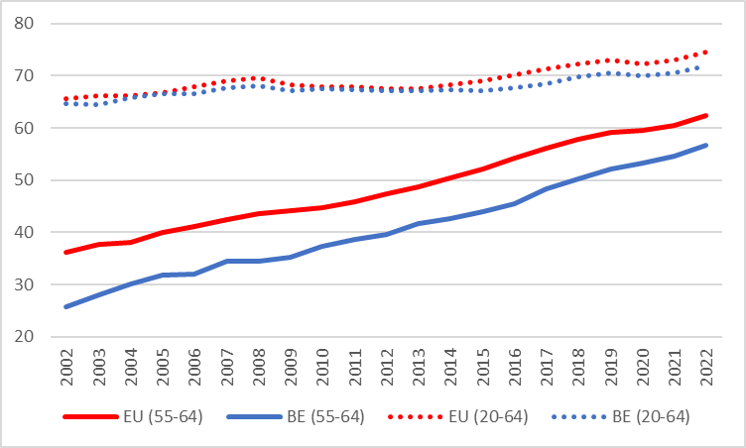
 | 2002 | 2003 | 2004 | 2005 | 2006 | 2007 | 2008 | 2009 | 2010 | 2011 | 2012 | 2013 | 2014 | 2015 | 2016 | 2017 | 2018 | 2019 | 2020 | 2021 | 2022
EU (55-64) | 36.1 | 37.6 | 38.1 | 40 | 41.2 | 42.5 | 43.6 | 44.1 | 44.7 | 45.9 | 47.4 | 48.8 | 50.5 | 52.1 | 54.2 | 56.1 | 57.8 | 59.1 | 59.6 | 60.5 | 62.3
BE (55-64) | 25.8 | 28.1 | 30.1 | 31.8 | 32 | 34.4 | 34.5 | 35.3 | 37.3 | 38.7 | 39.5 | 41.7 | 42.7 | 44 | 45.4 | 48.3 | 50.3 | 52.1 | 53.3 | 54.5 | 56.6

EU (20-64) | 65.7 | 66.1 | 66.2 | 66.8 | 67.9 | 69 | 69.5 | 68.2 | 67.8 | 67.9 | 67.6 | 67.5 | 68.2 | 69 | 70.1 | 71.3 | 72.3 | 73.1 | 72.2 | 73.1 | 74.6
BE (20-64) | 64.7 | 64.5 | 65.8 | 66.5 | 66.5 | 67.7 | 68 | 67.1 | 67.6 | 67.3 | 67.2 | 67.2 | 67.3 | 67.2 | 67.7 | 68.5 | 69.7 | 70.5 | 70 | 70.6 | 71.9

ys_Fig2
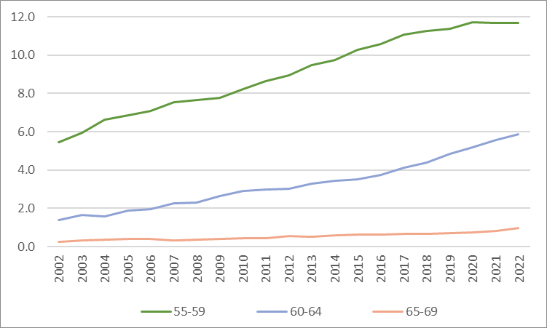
 | 2002 | 2003 | 2004 | 2005 | 2006 | 2007 | 2008 | 2009 | 2010 | 2011 | 2012 | 2013 | 2014 | 2015 | 2016 | 2017 | 2018 | 2019 | 2020 | 2021 | 2022
55-59 | 5.5 | 6.0 | 6.6 | 6.9 | 7.1 | 7.5 | 7.6 | 7.8 | 8.2 | 8.7 | 8.9 | 9.5 | 9.8 | 10.3 | 10.6 | 11.1 | 11.3 | 11.4 | 11.7 | 11.7 | 11.7
60-64 | 1.4 | 1.7 | 1.6 | 1.9 | 2.0 | 2.3 | 2.3 | 2.7 | 2.9 | 3.0 | 3.0 | 3.3 | 3.4 | 3.5 | 3.8 | 4.1 | 4.4 | 4.8 | 5.2 | 5.6 | 5.9
65-69 | 0.3 | 0.3 | 0.4 | 0.4 | 0.4 | 0.3 | 0.4 | 0.4 | 0.4 | 0.4 | 0.6 | 0.5 | 0.6 | 0.6 | 0.6 | 0.7 | 0.7 | 0.7 | 0.8 | 0.8 | 1.0

ys_Fig3
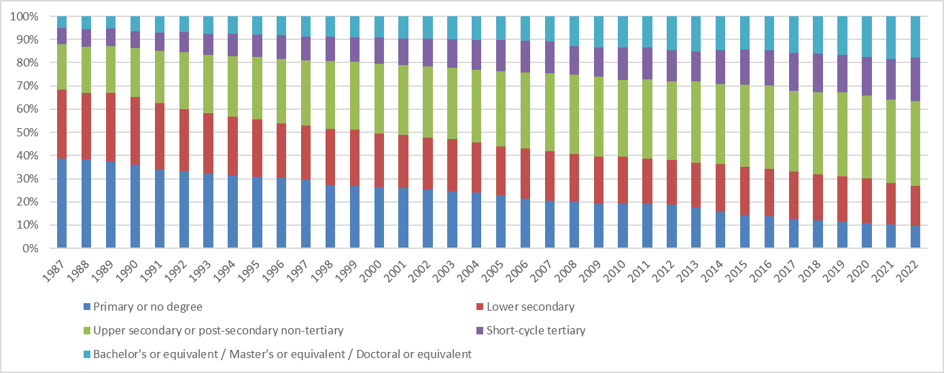
 | 1987 | 1988 | 1989 | 1990 | 1991 | 1992 | 1993 | 1994 | 1995 | 1996 | 1997 | 1998 | 1999 | 2000 | 2001 | 2002 | 2003 | 2004 | 2005 | 2006 | 2007 | 2008 | 2009 | 2010 | 2011 | 2012 | 2013 | 2014 | 2015 | 2016 | 2017 | 2018 | 2019 | 2020 | 2021 | 2022
Primary or no degree | 38.70% | 38.40% | 37.50% | 35.90% | 33.90% | 33.30% | 32.20% | 0.314 | 0.307 | 0.304 | 0.295 | 0.271 | 0.27 | 0.263 | 26.1% | 25.6% | 24.5% | 24.1% | 22.9% | 21.4% | 20.6% | 0.202 | 0.19183092363 | 0.19229980241 | 0.18938868978 | 0.18730133338 | 0.17521302147 | 0.15745562279 | 0.14446826632 | 0.13901309491 | 0.12681989639 | 0.120954318 | 0.11341473548 | 0.10817836433 | 0.10139051622 | 9.6%
Lower secondary | 29.70% | 28.70% | 29.50% | 29.30% | 28.80% | 26.70% | 25.90% | 0.255 | 0.248 | 0.234 | 0.233 | 0.243 | 0.242 | 0.232 | 22.7% | 22.1% | 22.5% | 21.4% | 21.1% | 21.6% | 21.3% | 0.205 | 0.20207001146 | 0.20193586024 | 0.19539285138 | 0.19233270475 | 0.19457168082 | 0.20489548096 | 0.20770109544 | 0.20470313119 | 0.2024878519 | 0.19756677912 | 0.19752469868 | 0.1939204536 | 0.17888963 | 17.5%
Upper secondary or post-secondary non-tertiary | 19.50% | 19.90% | 20.30% | 21.00% | 22.40% | 24.40% | 25.20% | 0.26 | 0.271 | 0.279 | 0.281 | 0.293 | 0.291 | 0.299 | 30.0% | 30.7% | 30.8% | 31.4% | 32.4% | 32.6% | 33.4% | 0.342 | 0.34588566211 | 0.33236394739 | 0.34337915106 | 0.34111879262 | 0.34930941582 | 0.34456984235 | 0.35320876118 | 0.35741118057 | 0.34843236015 | 0.35417496173 | 0.3604807215 | 0.35691697023 | 0.35915285701 | 36.3%
Short-cycle tertiary | 7.10% | 7.50% | 7.40% | 7.30% | 7.80% | 8.90% | 9.10% | 0.095 | 0.096 | 0.103 | 0.101 | 0.104 | 0.105 | 0.114 | 11.5% | 11.9% | 12.3% | 12.9% | 13.3% | 13.8% | 13.9% | 0.123 | 0.12462781283 | 0.13973787307 | 0.138 | 0.13312859084 | 0.12885491588 | 0.14769348837 | 0.14999068539 | 0.15263675262 | 0.16401407177 | 0.16544729463 | 0.16148432856 | 0.16576652907 | 0.17763713336 | 18.8%
Bachelor's or equivalent / Master's or equivalent / Doctoral or equivalent | 5.00% | 5.60% | 5.40% | 6.40% | 7.10% | 6.70% | 7.50% | 0.077 | 0.078 | 0.081 | 0.089 | 0.089 | 0.091 | 0.092 | 9.6% | 9.7% | 9.9% | 10.2% | 10.3% | 10.6% | 10.7% | 0.128 | 0.13558558997 | 0.13366251689 | 0.133 | 0.14611857841 | 0.15205096601 | 0.1453854578 | 0.14463119167 | 0.14623594744 | 0.15824581979 | 0.1618567537 | 0.16709540925 | 0.17521768277 | 0.18292986341 | 17.8%

ys_Fig4
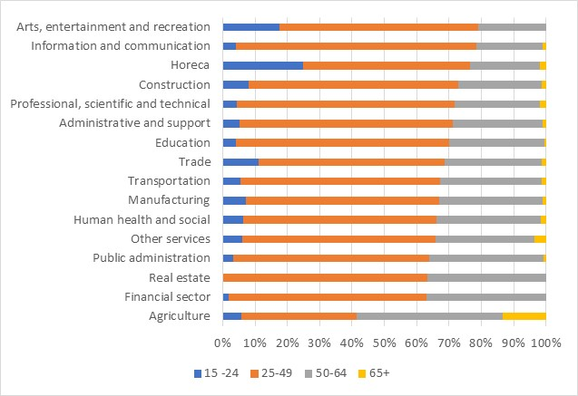
 | 15 -24 | 25-49 | 50-64 | 65+
Agriculture | 2.6 | 16.1 | 20.6 | 6
Financial and insurance activities | 2.9 | 93.7 | 56.6 | 0
Real estate | 0 | 23.9 | 13.9 | 0
Public administration | 14.3 | 259.5 | 152 | 3.1
Other services | 6.3 | 63.3 | 32.2 | 3.7
Human health and social work activities | 45.9 | 430.2 | 231.7 | 11.4
Manufacturing | 41 | 339.5 | 181.8 | 5.6
Transportation | 15.5 | 171.1 | 87.1 | 3.6
Trade | 69.2 | 354.6 | 183.8 | 8.6
Education | 19.1 | 318 | 142 | 2.2
Administrative and support service activities | 15.2 | 192.2 | 81.4 | 2.9
Professional, scientific and technical activities | 14.3 | 216.7 | 85.1 | 6.3
Construction | 24.6 | 201.9 | 80.5 | 4.4
Accommodation and food service activities | 46.1 | 95.1 | 39.9 | 3.7
Information and communication | 9.1 | 162.9 | 44.7 | 2.4
Arts, entertainment and recreation | 13.5 | 47.7 | 16.2 | 0

ys_Fig5
LEFT PANEL
 |  |  | New hires by age group1 | Job separations by age group2
 | 20-24 | 24.504764578 | (%, 2021) | (in % of salaried workers of the corresponding age one year before, 2021)
 | 25-29 | 24.334343336
 | 30-34 | 9.1925515645
 | 35-39 | 13.352769679
 | 40-44 | 5.8685545506
 | 45-49 | 5.6790024458
 | 50-54 | 3.3758527267
 | 55-59 | 4.1745376231
 | 60-64 | 1.2642789364

RIGHT PANEL

 | 20-24 | 17.759073749
 | 25-29 | 7.3626065708
 | 30-34 | 6.0601258387
 | 35-39 | 5.026106037
 | 40-44 | 4.7739482812
 | 45-49 | 3.2404399493
 | 50-54 | 3.3250362832
 | 55-59 | 3.830687044
 | 60-64 | 11.045621172

ys_Fig6
2005
2020
LEFT PANEL (2005)

 |  | At work | Unemployed | Inactive for other reasons | Sick leave | Pre-pension | Pension or early retirement
 | 50 | 0.71727869548 | 0.081901795959 | 0.1214733484 | 0.054927676921 | 0.0037084017514 | 0.020710081493
 | 51 | 0.71806998447 | 0.084126650968 | 0.11438449424 | 0.05971135558 | 0.0042371837945 | 0.019470330951
 | 52 | 0.67418411833 | 0.073749588947 | 0.12978645093 | 0.084123002962 | 0.011670151929 | 0.026486686897
 | 53 | 0.65719650459 | 0.082254421583 | 0.14070409781 | 0.076705683076 | 0.019140102265 | 0.023999190678
 | 54 | 0.60248704127 | 0.098926509534 | 0.15716801882 | 0.076022540646 | 0.028274252725 | 0.03712163701
 | 55 | 0.54839754623 | 0.10618807047 | 0.15904614619 | 0.092828647109 | 0.045762075 | 0.047777514996
 | 56 | 0.49240236367 | 0.11550404482 | 0.17782114952 | 0.068198799076 | 0.075748123632 | 0.070325519274
 | 57 | 0.41233748385 | 0.11656753979 | 0.18219558012 | 0.083815554355 | 0.11454177562 | 0.090542066269
 | 58 | 0.3463532927 | 0.11229960837 | 0.1820688549 | 0.087995544803 | 0.16489869124 | 0.10638400799
 | 59 | 0.33383121241 | 0.095111305822 | 0.20230124284 | 0.072739840976 | 0.17623020511 | 0.11978619284
 | 60 | 0.20399884579 | 0.10481180182 | 0.16084522833 | 0.063613576363 | 0.14278802452 | 0.32394252318
 | 61 | 0.16727029227 | 0.07312270778 | 0.18351728832 | 0.069614578625 | 0.12970908496 | 0.37676604804
 | 62 | 0.16599242232 | 0.061261094416 | 0.16893725171 | 0.071281816108 | 0.11629774568 | 0.41622966976
 | 63 | 0.11707432537 | 0.023581194928 | 0.11015422406 | 0.056800777533 | 0.10122970552 | 0.5911597726
 | 64 | 0.078652960542 | 0.020844714791 | 0.11382671455 | 0.045936627381 | 0.11526110776 | 0.62547787498

RIGHT PANEL (2020)
 |  | At work | Unemployed | Inactive for other reasons | Sick leave | Pre-pension | Pension or early retirement
 | 50 | 0.78071150699 | 0.044361431407 | 0.062707608186 | 0.1069680562 | 0.0017129736068 | 0.0035384236078
 | 51 | 0.76501446856 | 0.051697136399 | 0.054071230821 | 0.12500117497 | 0 | 0.0042159892434
 | 52 | 0.74809499775 | 0.070003052744 | 0.067930463912 | 0.10486243863 | 0 | 0.0091090469628
 | 53 | 0.76815324202 | 0.056425127697 | 0.070099056414 | 0.096333060601 | 0 | 0.0089895132705
 | 54 | 0.72872617901 | 0.038127631946 | 0.077624650482 | 0.14605804551 | 0.00029779769978 | 0.0091656953519
 | 55 | 0.71546638606 | 0.063493364133 | 0.064402414546 | 0.13931066232 | 0.00062471716796 | 0.016702455774
 | 56 | 0.74589104501 | 0.037550447311 | 0.084328701027 | 0.11322182203 | 0.00084912213776 | 0.018158862485
 | 57 | 0.69215280199 | 0.060750844961 | 0.083319249922 | 0.12726178449 | 0.0069594915295 | 0.029555827114
 | 58 | 0.66406121442 | 0.060363498936 | 0.085537781845 | 0.14349972823 | 0.0070180329196 | 0.039519743646
 | 59 | 0.60404640323 | 0.049111221457 | 0.085744836263 | 0.16368061046 | 0.024239632709 | 0.073177295882
 | 60 | 0.51330012541 | 0.056404397329 | 0.092444069173 | 0.11683809553 | 0.02588049998 | 0.19513281258
 | 61 | 0.37477328941 | 0.048793828106 | 0.090751386768 | 0.10281517864 | 0.050275040782 | 0.3325912763
 | 62 | 0.30677289322 | 0.043566766473 | 0.081146268773 | 0.10081510369 | 0.055164526106 | 0.41253444174
 | 63 | 0.20958134133 | 0.050054516375 | 0.069111861054 | 0.13887249614 | 0.090210222542 | 0.44216956256
 | 64 | 0.18300935021 | 0.050153357315 | 0.093753606296 | 0.082097041689 | 0.074329045746 | 0.51665759874

GM_Fig1
 | 2011 | 2013 | 2015 | 2017 | 2019/20
Austria | 61.36314 | 61.79211 | 61.91528 | 61.47098 | 62.56878
Germany | 64.36363 | 64.79329 | 64.69223 | 64.55208 | 65.01147
Sweden | 64.85536 | 64.9047 | 65.13172 | 65.66262 | 65.29226
Spain | 64.77359 | 64.95607 | 64.74936 | 65.55021 | 65.19946
Italy | 62.47946 | 64.0177 | 65.07651 | 65.85312 | 65.37293
France | 61.55009 | 61.81819 | 62.22678 | 63.25753 | 62.76276
Denmark | 65.65204 | 66.10972 | 66.55877 | 66.42635 | 67.32084
Belgium | 62.83133 | 63.41265 | 63.91547 | 64.47465 | 64.30657

 | Public old age pension | Public early retirement or pre-retirement pension
2011 | 62.83133 | 59.17281
2013 | 63.41265 | 60.15466
2015 | 63.91547 | 60.44718
2017 | 64.47465 | 61.35284
2019/20 | 64.30657 | 61.99226

GM_Fig2
Entitled to a statutory retirement pension | 74%
Entitled to a supplementary or private pension | 2%
Incentivised early retirement plan | 11%
Overstaffed | 5%
Health reasons | 7%
Health problems of a relative or friend | 1%
Joing retirement with partner | 2%
Spend more time with family/Enjoy life | 7%

GM_Fig3
 | Work was uncomfortable : % agree | Work was physically demanding: % agree
49Y- | 0.35714285714 | 0.51785714286
50-59Y | 0.22048997773 | 0.40757238307
60Y+ | 0.24004550626 | 0.44318181818

 | Childhood health status: % poor/fair | Ever had physical injury to disability: % yes
49Y- | 0.16 | 0.25
50-59Y | 0.10735586481 | 0.13861386139
60Y+ | 0.096418732782 | 0.14794520548

GM_Fig4
 | Gender |  | Age category |  |  |  |  | Type of employment |  |  | Household size |  |  | sector of activity
total | Male | Female | 50-54Y | 55-59Y | 60-64Y | 65-67 | 68+ | Private employee | Public employee | Self-employed | 1 | 2 | 3+ | Industry | construction | market services | non market services
32% | 34% | 30% | 31% | 37% | 31% | 16% | 19% | 31% | 32% | 21% | 35% | 35% | 30% | 41% | 43% | 30% | 26%

total | 32%
Male | 34%
Female | 30%
50-54Y | 31%
55-59Y | 37%
60-64Y | 31%
65-67 | 16%
68+ | 19%
Private employee | 31%
Public employee | 32%
Self-employed | 21%
1 | 35%
2 | 35%
3+ | 30%
Industry | 41%
construction | 43%
market services | 30%
non market services | 26%

GM_Fig6
 | Job difficulty not reported | Job difficulty reported
Physical job | 28.3132 | 35.60078
Under pressure | 26.29991 | 37.02585
Insufficient freedom | 30.66235 | 32.37387
Inadequate support | 28.34658 | 36.93095
Lack of recognition | 28.95017 | 35.39886
Inadequate salary | 28.7466 | 35.71088
Insufficient prospects | 28.2536 | 33.76939
Insufficient job security | 31.44377 | 28.74925
No skills development | 30.00667 | 33.13384

GM_Fig7
 | Dissatisfied with main job | Satisfied with main job | Difference
50 | 0.0044649 | 0.0015533 | -0.0029116
51 | 0.0073927 | 0.0025879 | -0.0048048
52 | 0.0135041 | 0.0047629 | -0.0087412
53 | 0.0246217 | 0.0088918 | -0.0157299
54 | 0.0477788 | 0.0178873 | -0.0298915
55 | 0.0645422 | 0.0245824 | -0.0399598
56 | 0.1261303 | 0.0515456 | -0.0745847
57 | 0.1771303 | 0.0770374 | -0.1000929
58 | 0.253524 | 0.1171377 | -0.1363863
59 | 0.3769341 | 0.2016126 | -0.1753215
60 | 0.4441252 | 0.2503453 | -0.1937799
61 | 0.5703313 | 0.3558462 | -0.2144851
62 | 0.694758 | 0.4839635 | -0.2107945
63 | 0.7936553 | 0.5952588 | -0.1983965
64 | 0.8099612 | 0.6349715 | -0.1749897
65 | 0.9001123 | 0.7780224 | -0.1220899

GM_Fig8
 | As planned | Later than planned | Earlier than planned
 |  |  | - Because of the pandemic | - Other reason
 | 0.81666666667 | 0.016666666667 | 0.016666666667 | 0.15

 | As planned | Earlier than planned | Later than planned
Fair or poor self-rated health | 0.17346938776 | 0.3 | 0
Feeling sad or depressed | 0.27551020408 | 0.45 | 0

