Chart 1
Chart 1

2022 | Q1 | 0.6 | 3.2
 | Q2 | 0.5
 | Q3 | 0.3
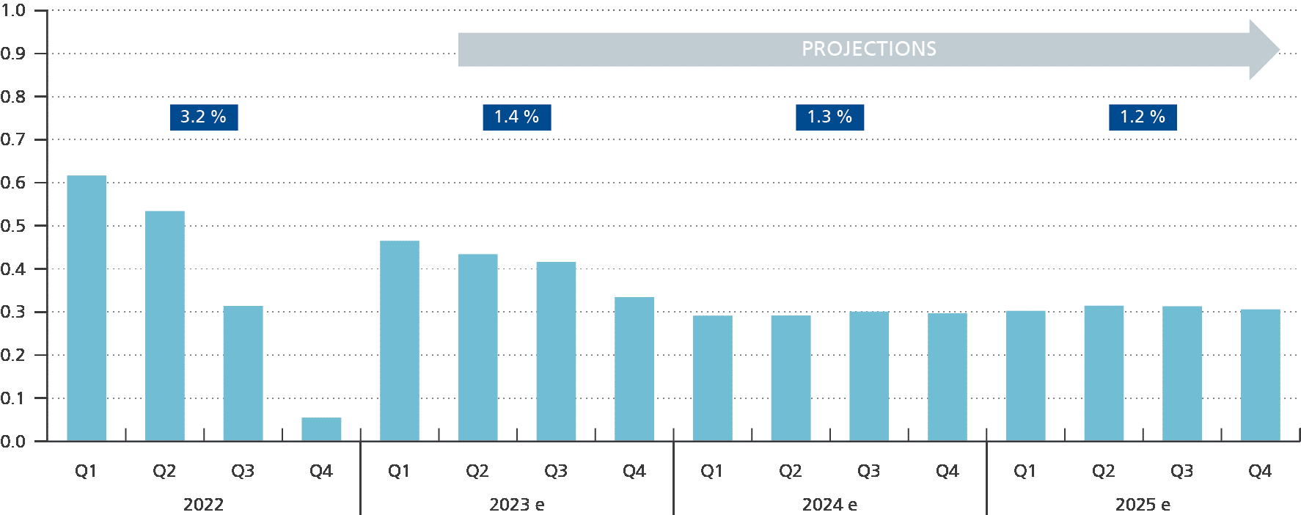
 | Q4 | 0.1
2023e | Q1 | 0.5 | 1.4
 | Q2 | 0.4
 | Q3 | 0.4
 | Q4 | 0.3
2024e | Q1 | 0.3 | 1.3
 | Q2 | 0.3
 | Q3 | 0.3
 | Q4 | 0.3
2025e | Q1 | 0.3 | 1.2
 | Q2 | 0.3
 | Q3 | 0.3
 | Q4 | 0.3

Chart 2
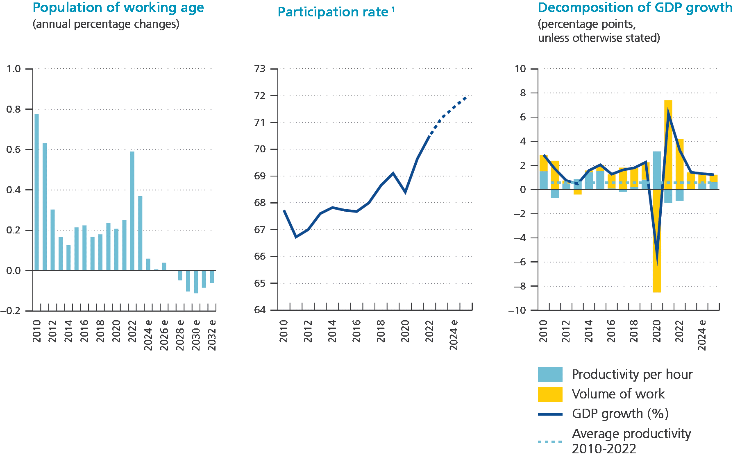
Chart 2 |  |  |  | Decomposition of GDP growth
 | Working age population | Participation rate¹ |  | (percentage points, unless otherwise stated)
 | (annual percentage changes) |  |  | GDP growth (%) | Productivity per hour | Volume of work | Average productivity 2010-2022
2010 | 0.8 | 67.7 | 2010 | 2.9 | 1.5 | 1.3 | 0.6
2011 | 0.6 | 66.7 | 2011 | 1.7 | -0.7 | 2.4 | 0.6
2012 | 0.3 | 67.0 | 2012 | 0.7 | 0.5 | 0.2 | 0.6
2013 | 0.2 | 67.6 | 2013 | 0.5 | 0.9 | -0.4 | 0.6
2014 | 0.1 | 67.8 | 2014 | 1.6 | 1.4 | 0.1 | 0.6
2015 | 0.2 | 67.7 | 2015 | 2.0 | 1.5 | 0.5 | 0.6
2016 | 0.2 | 67.7 | 2016 | 1.3 | 0.1 | 1.2 | 0.6
2017 | 0.2 | 68.0 | 2017 | 1.6 | -0.2 | 1.8 | 0.6
2018 | 0.2 | 68.6 | 2018 | 1.8 | 0.2 | 1.6 | 0.6
2019 | 0.2 | 69.1 | 2019 | 2.3 | 0.8 | 1.4 | 0.6
2020 | 0.2 | 68.4 | 2020 | -5.4 | 3.2 | -8.5 | 0.6
2021 | 0.3 | 69.7 | 2021 | 6.3 | -1.1 | 7.4 | 0.6
2022 | 0.6 | 70.5 | 2022 | 3.2 | -0.9 | 4.2 | 0.6
2023e | 0.4 | 71.2 | 2023e | 1.4 | 0.1 | 1.4 | 0.6
2024e | 0.1 | 71.6 | 2024e | 1.3 | 0.5 | 0.8 | 0.6
2025e | 0.0 | 71.9 | 2025e | 1.2 | 0.6 | 0.6 | 0.6
2026e | 0.0
2027e | 0.0
2028e | 0.0
2029e | -0.1
2030e | -0.1
2031e | -0.1
2032e | -0.1

Chart 3
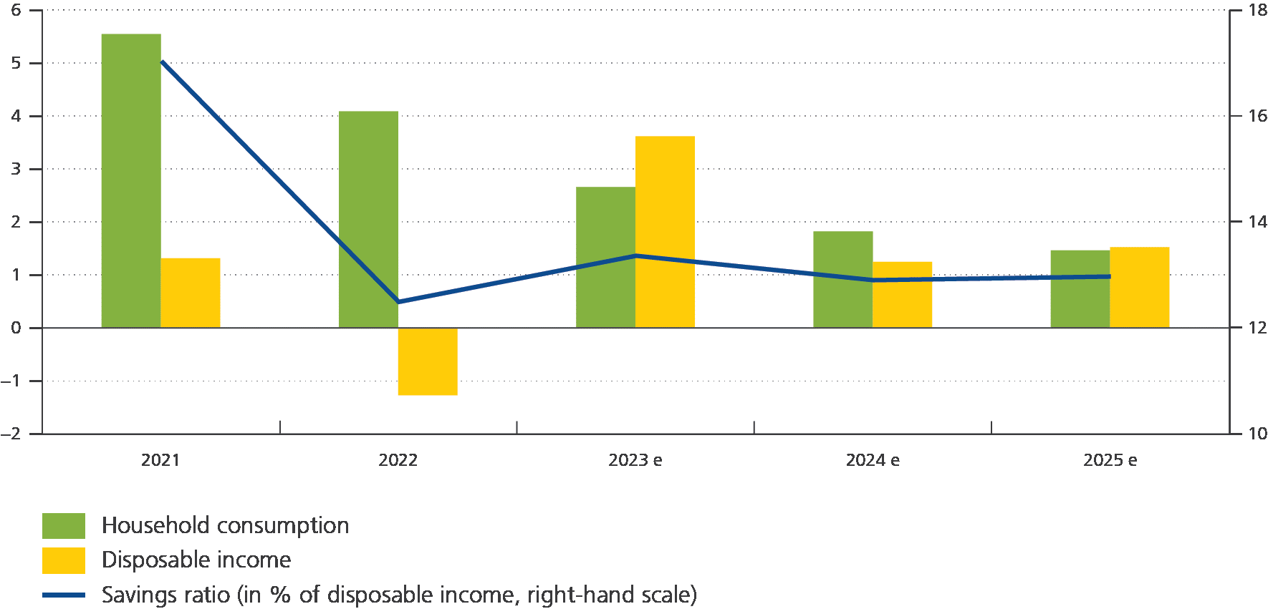
Chart 3

 | 2021 | 2022 | 2023e | 2024e | 2025e
Household consumption | 5.5 | 4.1 | 2.7 | 1.8 | 1.5
Disposable income | 1.3 | -1.3 | 3.6 | 1.2 | 1.5
Savings ratio (in % of disposable income, right-hand scale) | 17.0 | 12.5 | 13.4 | 12.9 | 13.0

Chart 4
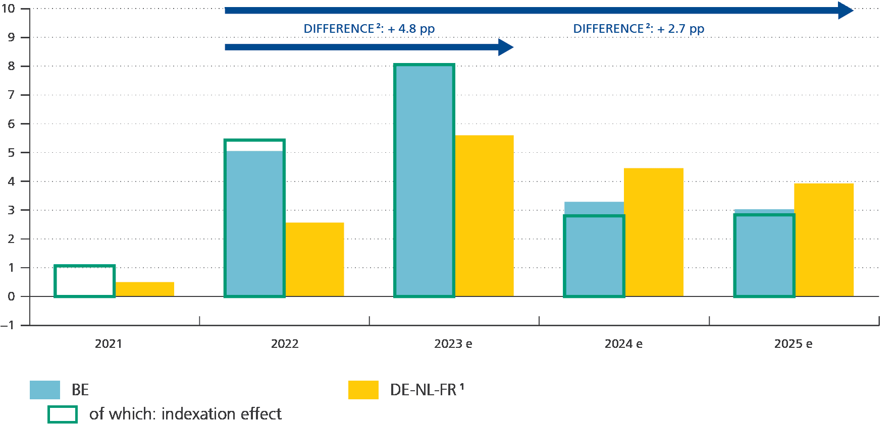
Chart 4
Hourly labour cost growth in the private sector: Belgium versus main trading partners (percentage change compared to the previous year)
 | 2021 | 2022 | 2023 e | 2024 e | 2025 e
BE | 0.0 | 5.1 | 8.0 | 3.3 | 3.0
of which: indexation effect | 1.1 | 5.4 | 8.1 | 2.8 | 2.8
DE-NL-FR1 | 0.5 | 2.6 | 5.6 | 4.5 | 3.9

Sources: Eurosystem, NAI, NBB.
1 Weighted average wage cost growth in neighbouring countries, based on current Eurosystem projections.
2 The difference in wage cost growth between Belgium and neighbouring countries shown here is not necessarily identical to the official assessment by the Central Economic Council.

Chart 5
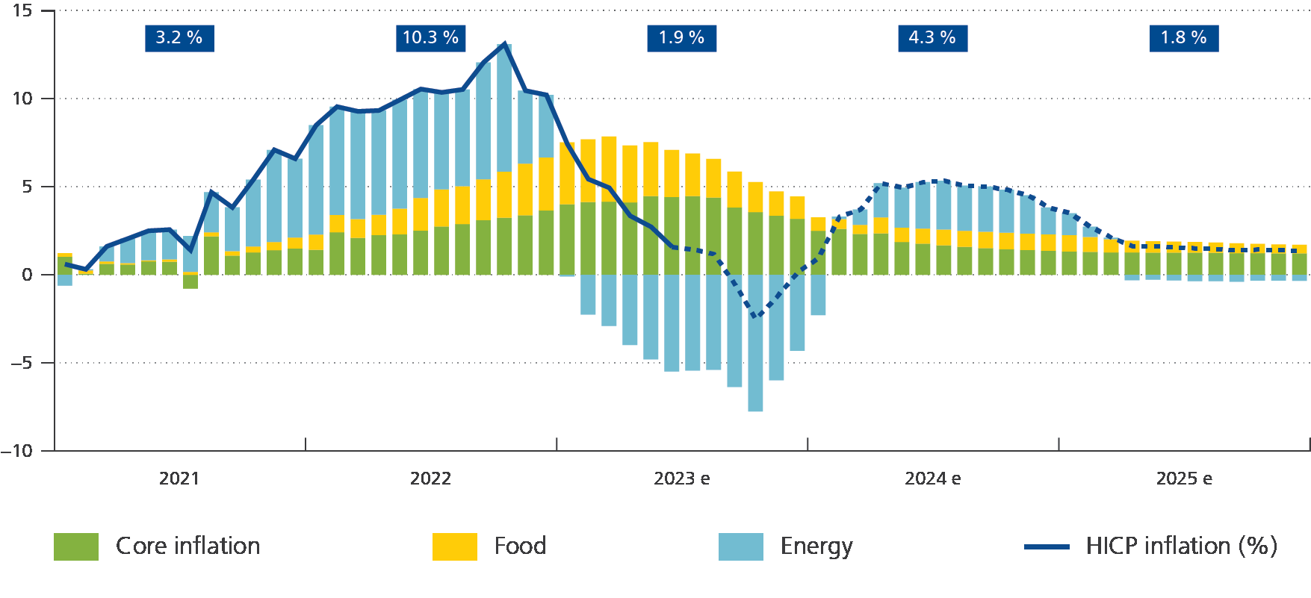
Chart 5
 | HICP inflation (%) | Core inflation | Food | Energy
2021-01-01 | 0.61 | 1.03 | 0.20 | -0.62
2021-02-01 | 0.31 | 0.06 | 0.19 | 0.06
2021-03-01 | 1.62 | 0.62 | 0.14 | 0.84
2021-04-01 | 2.05 | 0.58 | 0.08 | 1.39
2021-05-01 | 2.50 | 0.76 | 0.06 | 1.68
2021-06-01 | 2.57 | 0.74 | 0.13 | 1.69
2021-07-01 | 1.40 | -0.79 | 0.17 | 2.03
2021-08-01 | 4.68 | 2.18 | 0.23 | 2.28
2021-09-01 | 3.83 | 1.09 | 0.25 | 2.49
2021-10-01 | 5.40 | 1.27 | 0.33 | 3.80
2021-11-01 | 7.09 | 1.39 | 0.47 | 5.23
2021-12-01 | 6.59 | 1.49 | 0.62 | 4.47
2022-01-01 | 8.49 | 1.42 | 0.87 | 6.21
2022-02-01 | 9.54 | 2.42 | 0.98 | 6.15
2022-03-01 | 9.28 | 2.10 | 1.06 | 6.12
2022-04-01 | 9.33 | 2.26 | 1.15 | 5.92
2022-05-01 | 9.93 | 2.29 | 1.47 | 6.17
2022-06-01 | 10.54 | 2.50 | 1.86 | 6.18
2022-07-01 | 10.35 | 2.74 | 2.10 | 5.51
2022-08-01 | 10.52 | 2.88 | 2.15 | 5.49
2022-09-01 | 12.06 | 3.10 | 2.32 | 6.64
2022-10-01 | 13.09 | 3.24 | 2.61 | 7.24
2022-11-01 | 10.45 | 3.37 | 2.94 | 4.14 | Annual inflation
2022-12-01 | 10.21 | 3.66 | 3.00 | 3.55 | 2021 | 3.2
2023-01-01 | 7.42 | 4.00 | 3.52 | -0.09 | 2022 | 10.3
2023-02-01 | 5.43 | 4.13 | 3.56 | -2.26 | 2023e | 1.9
2023-03-01 | 4.94 | 4.16 | 3.69 | -2.90 | 2024e | 4.3
2023-04-01 | 3.35 | 4.11 | 3.23 | -3.99 | 2025e | 1.8
2023-05-01 | 2.72 | 4.47 | 3.06 | -4.81
2023-06-01 | 1.59 | 4.42 | 2.67 | -5.49
2023-07-01 | 1.44 | 4.47 | 2.41 | -5.44
2023-08-01 | 1.18 | 4.38 | 2.20 | -5.40
2023-09-01 | -0.51 | 3.82 | 2.04 | -6.37
2023-10-01 | -2.50 | 3.56 | 1.70 | -7.76
2023-11-01 | -1.26 | 3.35 | 1.38 | -5.99
2023-12-01 | 0.13 | 3.18 | 1.27 | -4.32
2024-01-01 | 0.97 | 2.50 | 0.76 | -2.29
2024-02-01 | 3.30 | 2.60 | 0.57 | 0.13
2024-03-01 | 3.71 | 2.32 | 0.52 | 0.87
2024-04-01 | 5.20 | 2.35 | 0.91 | 1.94
2024-05-01 | 4.95 | 1.87 | 0.81 | 2.27
2024-06-01 | 5.26 | 1.76 | 0.87 | 2.63
2024-07-01 | 5.33 | 1.67 | 0.90 | 2.77
2024-08-01 | 5.06 | 1.59 | 0.91 | 2.56
2024-09-01 | 5.01 | 1.51 | 0.93 | 2.57
2024-10-01 | 4.83 | 1.45 | 0.94 | 2.44
2024-11-01 | 4.52 | 1.40 | 0.94 | 2.17
2024-12-01 | 3.82 | 1.36 | 0.94 | 1.52
2025-01-01 | 3.50 | 1.33 | 0.93 | 1.24
2025-02-01 | 2.73 | 1.30 | 0.85 | 0.58
2025-03-01 | 2.11 | 1.27 | 0.75 | 0.08
2025-04-01 | 1.63 | 1.27 | 0.67 | -0.31
2025-05-01 | 1.64 | 1.26 | 0.65 | -0.27
2025-06-01 | 1.56 | 1.25 | 0.63 | -0.32
2025-07-01 | 1.51 | 1.26 | 0.61 | -0.36
2025-08-01 | 1.47 | 1.25 | 0.58 | -0.36
2025-09-01 | 1.39 | 1.23 | 0.56 | -0.40
2025-10-01 | 1.43 | 1.22 | 0.54 | -0.33
2025-11-01 | 1.39 | 1.21 | 0.51 | -0.33
2025-12-01 | 1.36 | 1.21 | 0.49 | -0.34

Chart 6
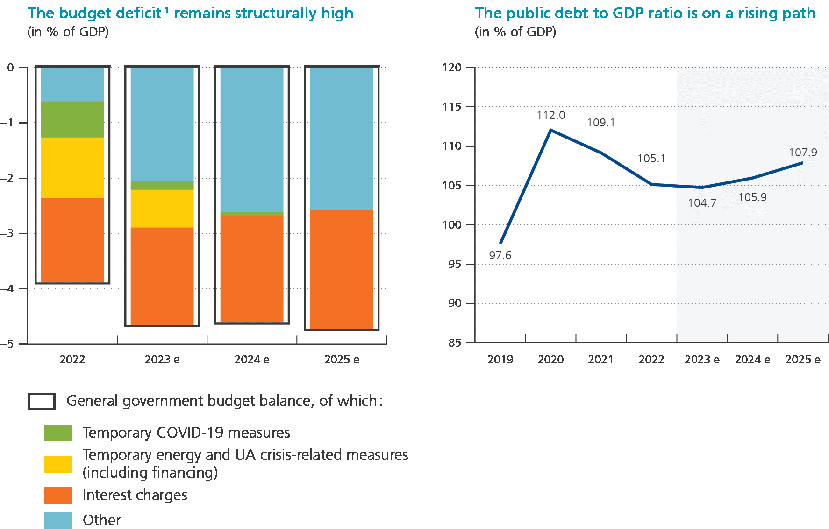
Chart 6
 | 2022 | 2023e | 2024e | 2025e |  | 2019 | 2020 | 2021 | 2022 | 2023e | 2024e | 2025e
General government budget balance, of which : | -3.9 | -4.7 | -4.6 | -4.7
 |  |  |  |  | Debt ratio | 97.6 | 112.0 | 109.1 | 105.1 | 104.7 | 105.9 | 107.9
Temporary Covid-19 measures | -0.7 | -0.2 | -0.1 | 0.0
Temporary energy and UA crisis-related measures | -1.1 | -0.7 | 0.0 | 0.0
Interest charges | -1.5 | -1.8 | -1.9 | -2.2
Other | -0.6 | -2.0 | -2.6 | -2.6

Chart 7
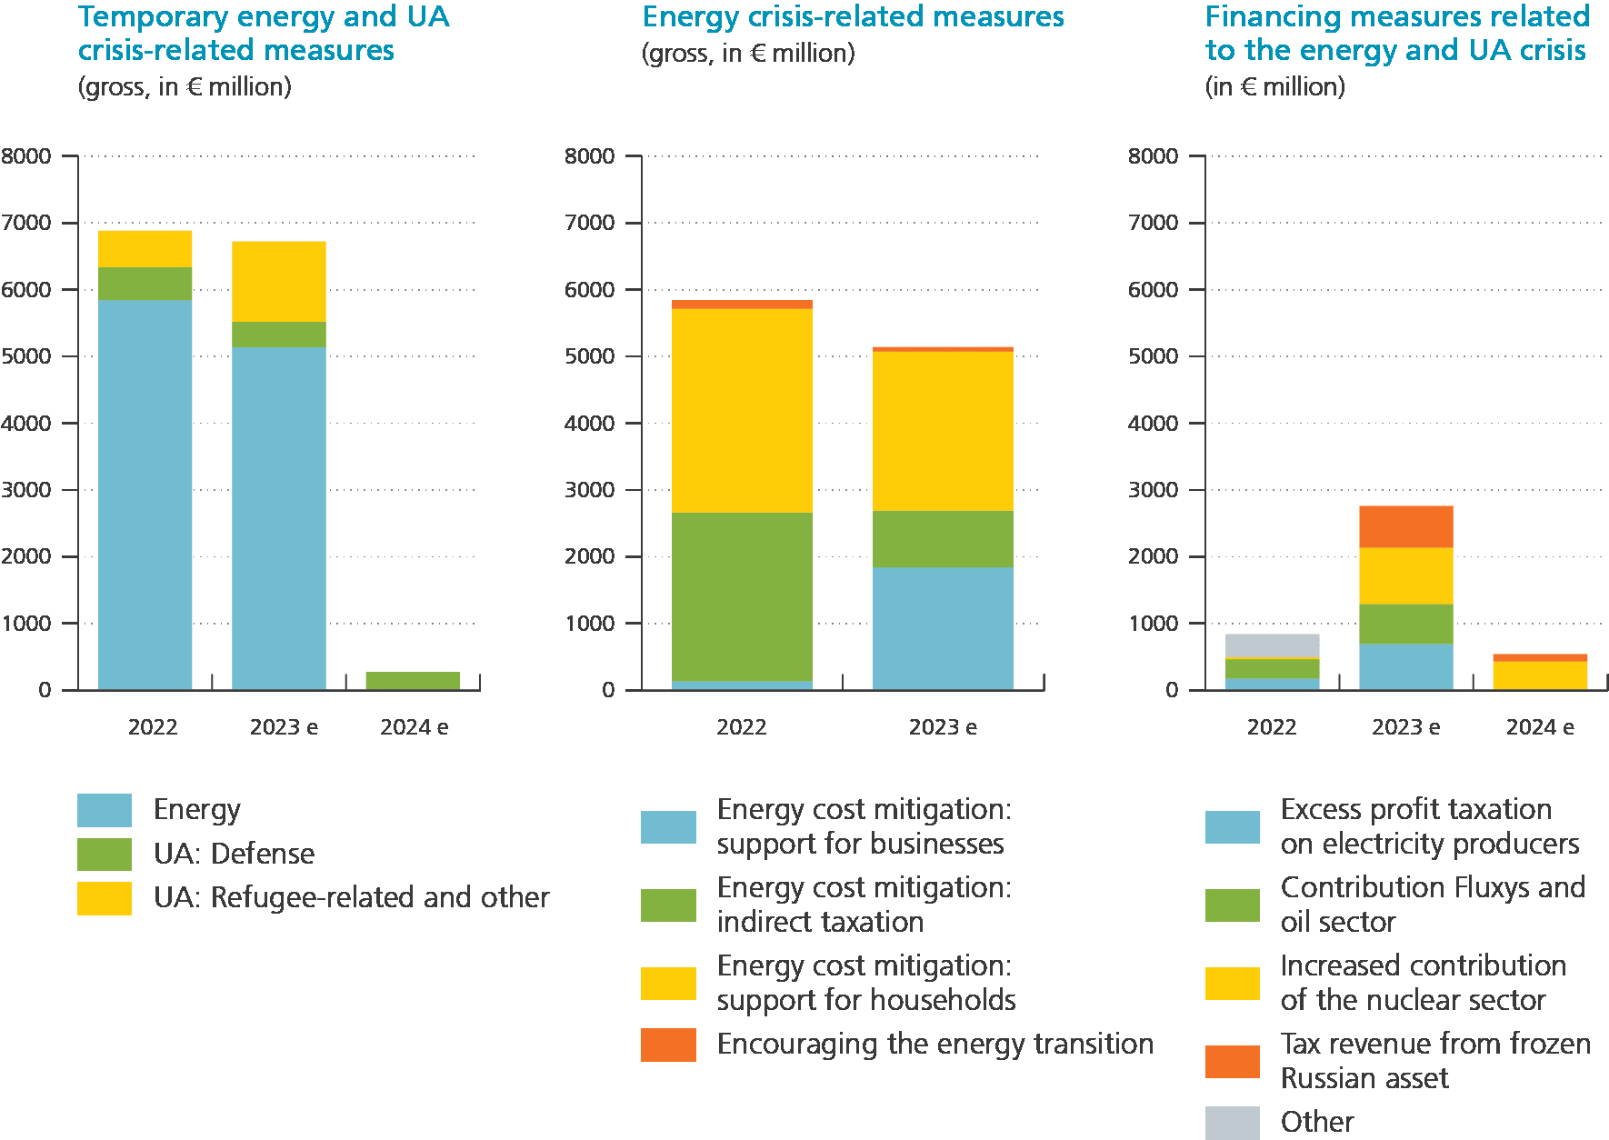
Temporary energy and UA crisis-related measures |  |  |  | Energy crisis-related measures |  |  | Financing of the energy- and Ukraine crisis-related measures
 | 2022 | 2023e | 2024e |  | 2022 | 2023e |  | 2022 | 2023e | 2024e
Energy | 5844 | 5140 | 0 | Energy cost mitigation: support for businesses | 133 | 1839 | Excess profit taxation on electricity producers | 177 | 692 | 0
Ukraine - Defense | 495 | 381 | 275 | Energy cost mitigation: indirect taxation | 2530 | 854 | Contribution Fluxys and oil sector | 289 | 602 | 0
Ukraine - Refugee-related and other | 545 | 1203 | 0 | Energy cost mitigation: support for households | 3053 | 2382 | Increased contribution of the nuclear sector | 30 | 842 | 435
 |  |  |  | Encouraging the energy transition | 128 | 66 | Tax revenue from frozen Russian asset | 0 | 625 | 105
 |  |  |  |  |  |  | Other | 343 | 0 | 0

