Chart 1
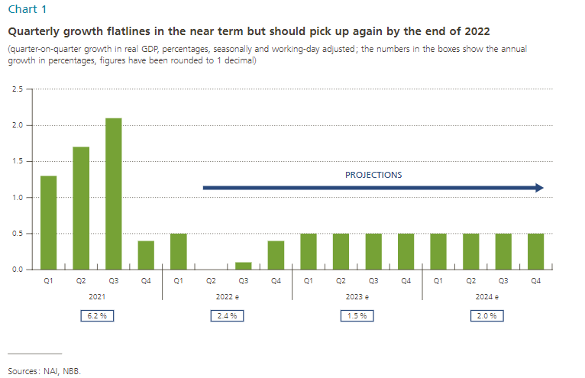
Chart 1 |  | Quarter-on-quarter growth | Annual growth
2021 | Q1 | 1.3 | 6.2
 | Q2 | 1.7
 | Q3 | 2.1
 | Q4 | 0.4
2022e | Q1 | 0.5 | 2.4
 | Q2 | 0
 | Q3 | 0.1
 | Q4 | 0.4
2023e | Q1 | 0.5 | 1.5
 | Q2 | 0.5
 | Q3 | 0.5
 | Q4 | 0.5
2024e | Q1 | 0.5 | 2.0
 | Q2 | 0.5
 | Q3 | 0.5
 | Q4 | 0.5

Chart 2
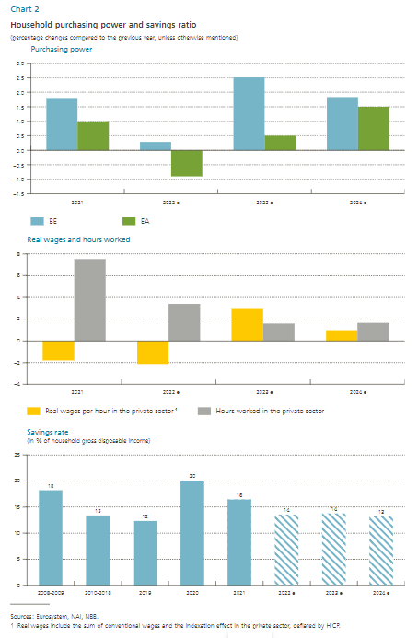
Chart 2

Purchasing power
 | 2021 | 2022e | 2023e | 2024e
BE | 1.8 | 0.3 | 2.5 | 1.8
EA | 1 | -0.9 | 0.5 | 1.5

 | 2021 | 2022e | 2023e | 2024e
Real wages per hour in the private sector¹ | -1.8 | -2.1 | 2.9 | 1.0
Hours worked in the private sector | 7.5 | 3.4 | 1.6 | 1.7

 | 2008-2009 | 2010-2018 | 2019 | 2020 | 2021 | 2022e | 2023e | 2024e
Savings rate | 18 | 13 | 12 | 20 | 16 | 14 | 14 | 13

Chart3
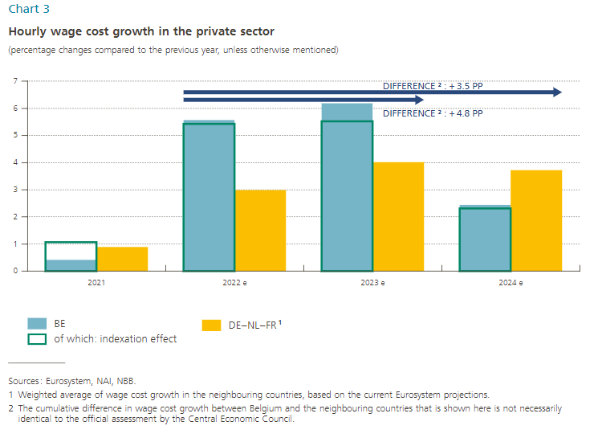
Chart 3
 | 2021 | 2022e | 2023e | 2024e

BE | 0.4 | 5.6 | 6.2 | 2.4
of which: indexation effect | 1.1 | 5.4 | 5.5 | 2.3
DE-NL-FR¹ | 0.9 | 3.0 | 4.0 | 3.7

Difference² |  |  | 4.8 | 3.5

Chart 4
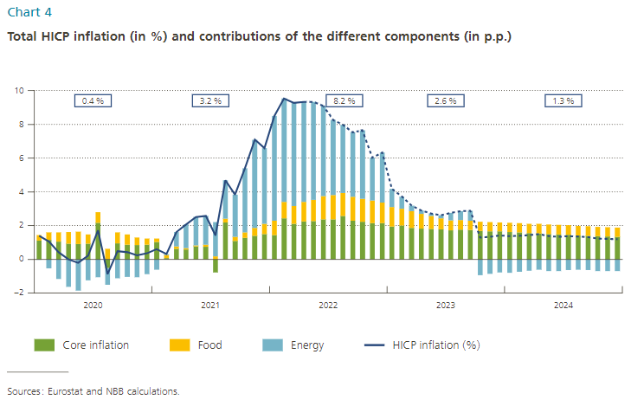
Chart 4
 |  | Contributions in percentage points
 | HICP inflation (%) | Core inflation | Food | Energy |  | HICP inflation (%)
2020-01-01 | 1.4 | 1.1 | 0.3 | 0.0 | 2020 | 0.4
2020-02-01 | 1.0 | 1.2 | 0.4 | -0.5 | 2021 | 3.2
2020-03-01 | 0.4 | 1.0 | 0.5 | -1.2 | 2022e | 8.2
2020-04-01 | 0.0 | 0.9 | 0.7 | -1.6 | 2023e | 2.6
2020-05-01 | -0.2 | 0.9 | 0.7 | -1.9 | 2024e | 1.3
2020-06-01 | 0.2 | 0.9 | 0.6 | -1.3
2020-07-01 | 1.7 | 2.2 | 0.6 | -1.1
2020-08-01 | -0.9 | -0.5 | 0.6 | -1.0
2020-09-01 | 0.5 | 1.0 | 0.6 | -1.1
2020-10-01 | 0.4 | 0.9 | 0.6 | -1.1
2020-11-01 | 0.2 | 0.8 | 0.4 | -1.1
2020-12-01 | 0.4 | 0.9 | 0.4 | -0.9
2021-01-01 | 0.6 | 1.0 | 0.2 | -0.6
2021-02-01 | 0.3 | 0.1 | 0.2 | 0.1
2021-03-01 | 1.6 | 0.6 | 0.1 | 0.8
2021-04-01 | 2.1 | 0.6 | 0.1 | 1.4
2021-05-01 | 2.5 | 0.8 | 0.1 | 1.7
2021-06-01 | 2.6 | 0.7 | 0.1 | 1.7
2021-07-01 | 1.4 | -0.8 | 0.2 | 2.0
2021-08-01 | 4.7 | 2.2 | 0.2 | 2.3
2021-09-01 | 3.8 | 1.1 | 0.2 | 2.5
2021-10-01 | 5.4 | 1.3 | 0.3 | 3.8
2021-11-01 | 7.1 | 1.4 | 0.5 | 5.2
2021-12-01 | 6.6 | 1.5 | 0.6 | 4.5
2022-01-01 | 8.5 | 1.4 | 0.9 | 6.2
2022-02-01 | 9.5 | 2.4 | 1.0 | 6.1
2022-03-01 | 9.3 | 2.1 | 1.1 | 6.1
2022-04-01 | 9.3 | 2.3 | 1.2 | 5.9
2022-05-01 | 9.3 | 2.3 | 1.3 | 5.8
2022-06-01 | 9.1 | 2.4 | 1.4 | 5.3
2022-07-01 | 8.3 | 2.4 | 1.4 | 4.4
2022-08-01 | 8.0 | 2.6 | 1.4 | 4.0
2022-09-01 | 7.5 | 2.3 | 1.4 | 3.8
2022-10-01 | 7.6 | 2.2 | 1.4 | 4.0
2022-11-01 | 6.0 | 2.2 | 1.3 | 2.5
2022-12-01 | 6.3 | 2.1 | 1.2 | 3.0
2023-01-01 | 4.2 | 1.9 | 1.2 | 1.1
2023-02-01 | 3.7 | 2.0 | 1.0 | 0.7
2023-03-01 | 3.2 | 1.9 | 1.0 | 0.3
2023-04-01 | 2.9 | 1.8 | 0.9 | 0.2
2023-05-01 | 2.7 | 1.8 | 0.8 | 0.1
2023-06-01 | 2.6 | 1.8 | 0.7 | 0.2
2023-07-01 | 2.8 | 1.7 | 0.6 | 0.4
2023-08-01 | 2.8 | 1.8 | 0.6 | 0.5
2023-09-01 | 2.9 | 1.7 | 0.6 | 0.6
2023-10-01 | 1.3 | 1.7 | 0.5 | -0.9
2023-11-01 | 1.3 | 1.7 | 0.5 | -0.9
2023-12-01 | 1.4 | 1.7 | 0.5 | -0.8
2024-01-01 | 1.4 | 1.6 | 0.6 | -0.8
2024-02-01 | 1.4 | 1.6 | 0.5 | -0.7
2024-03-01 | 1.4 | 1.6 | 0.6 | -0.7
2024-04-01 | 1.5 | 1.5 | 0.6 | -0.6
2024-05-01 | 1.4 | 1.5 | 0.6 | -0.7
2024-06-01 | 1.3 | 1.5 | 0.6 | -0.7
2024-07-01 | 1.4 | 1.5 | 0.6 | -0.6
2024-08-01 | 1.3 | 1.4 | 0.6 | -0.6
2024-09-01 | 1.3 | 1.4 | 0.6 | -0.6
2024-10-01 | 1.2 | 1.4 | 0.6 | -0.7
2024-11-01 | 1.2 | 1.3 | 0.6 | -0.7
2024-12-01 | 1.2 | 1.3 | 0.6 | -0.7

Chart 5
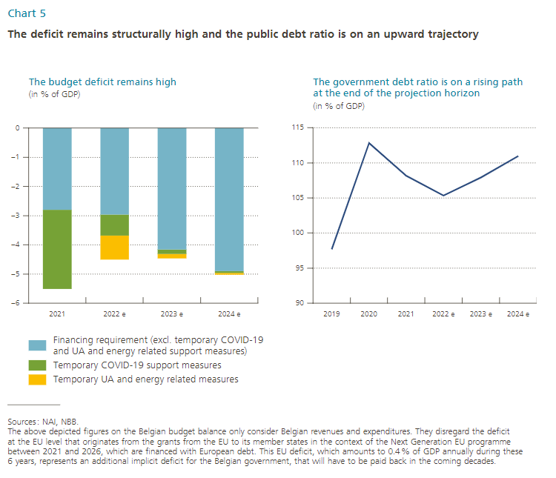
Chart 5 (in % of GDP)
 | 2021 | 2022e | 2023e | 2024e
Financing requirement (not on graph) | -5.5 | -4.5 | -4.5 | -5.0
Temporary COVID-19 support measures | -2.7 | -0.7 | -0.2 | -0.1
Temporary UA and energy related measures |  | -0.8 | -0.2 | -0.1
Financing requirement (excl. temporary COVID-19 and UA and energy related support measures) | -2.8 | -3.0 | -4.2 | -4.9

 | 2019 | 2020 | 2021 | 2022e | 2023e | 2024e
Public debt ratio | 97.7 | 112.8 | 108.2 | 105.3 | 107.9 | 110.9

