Figure 1
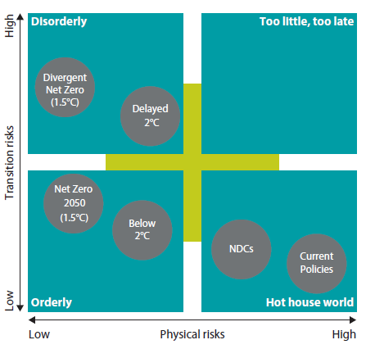

Source: NGFS. (2022). NGFS Scenarios for Central Banks and Supervisors. Technical Report.

Chart 1
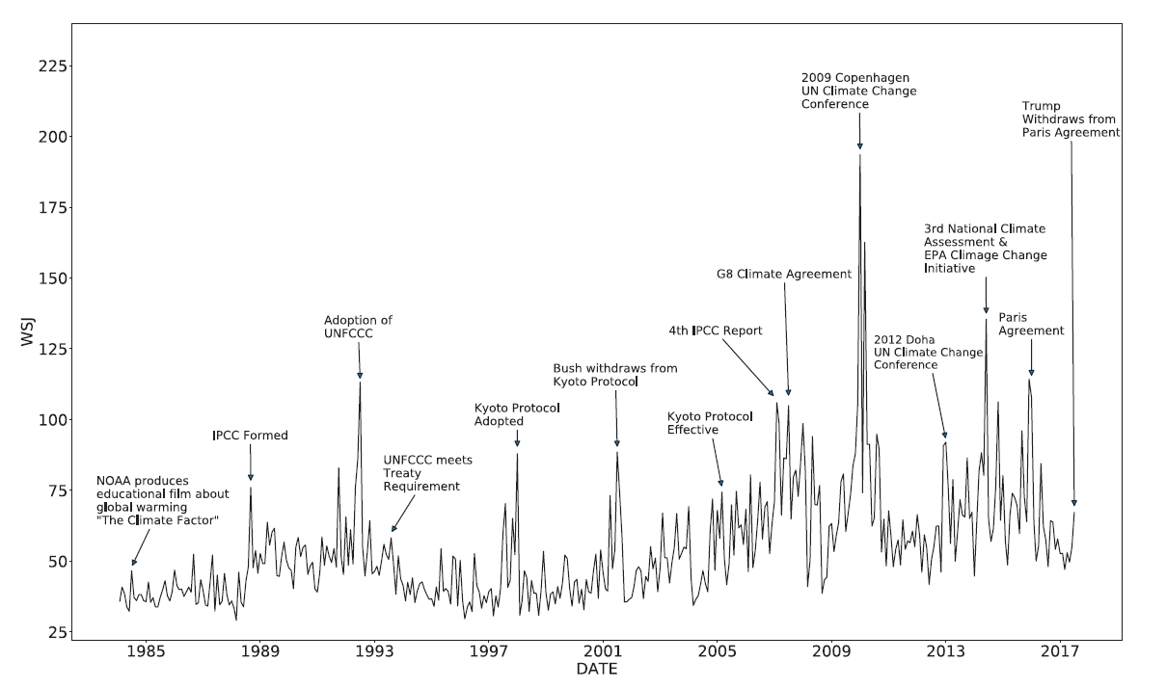

Source: Engle, R. F., Giglio, S., Kelly, B., & Lee, H. (2020). Hedging Climate Change News. Review of Financial Studies, 33, 1184-1216.

Chart 2
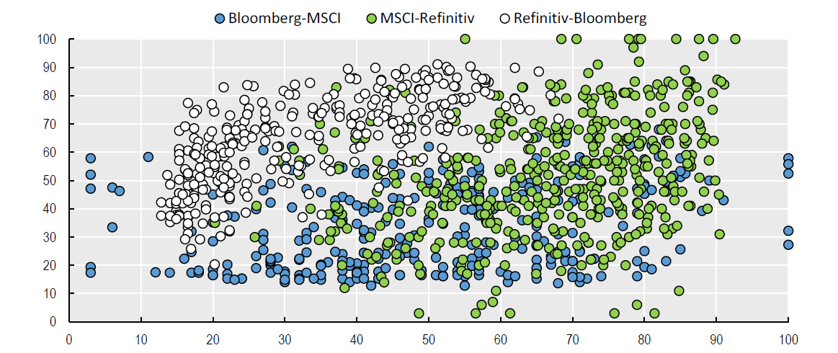

Source: OECD. (2021). ESG Investing and Climate Transition: Market Practices, Issues and Policy Considerations. Paris: OECD.

Chart 3
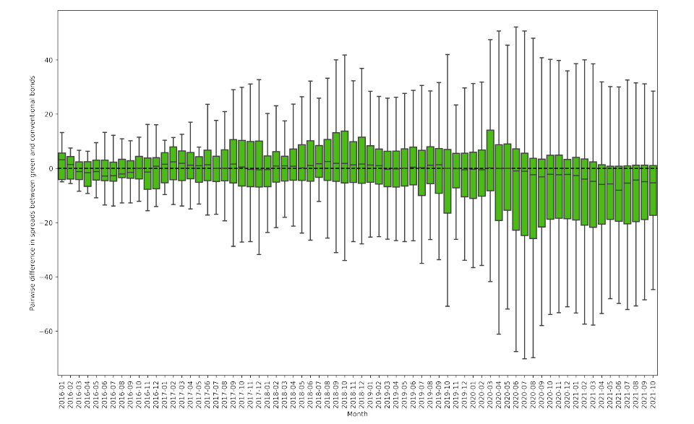

Source: Pietsch, A., & Salakhova, D. (2022, September). Pricing of green bonds: Drivers and dynamics of the greenium. ECB Working Paper 2728.

Chart 4 - Part 1
 | Issued Amount in mln eur, excl Supra and cancelled
 | 2008 | 2012 | 2013 | 2014 | 2015 | 2016 | 2017 | 2018 | 2019 | 2020 | 2021 | 2022
BE (€ bn, lhs) | 0 | 0 | 0 | 0 | 0 | 0.056323151232 | 0 | 11.192946421 | 0 | 1.3491955068 | 3.0489685204 | 1.8689045916
DE (€ bn, lhs) | 0.10240573094 | 0 | 0.31532367076 | 3.5643206121 | 6.4728312957 | 4.1312207018 | 7.7804161321 | 6.1020548135 | 20.364805442 | 39.173209787 | 71.319892705 | 41.504954767
FR (€ bn, lhs) | 0 | 0.58832092542 | 2.0046987553 | 5.6960830831 | 8.5031477972 | 5.7139499602 | 44.232709789 | 8.2518816988 | 28.1588894 | 26.733264307 | 45.323401107 | 18.777297229
NL (€ bn, lhs) | 0 | 0 | 0 | 1.2859148164 | 4.7197722638 | 7.094071161 | 10.362680775 | 10.91870604 | 28.985600913 | 23.495123471 | 32.595530241 | 15.086981865
TOT | 0.10240573094 | 0.58832092542 | 2.3200224261 | 10.546318512 | 19.695751357 | 16.995564974 | 62.375806697 | 36.465588972 | 77.509295755 | 90.750793072 | 152.28779257 | 77.238138452

Total (% of GDP, rhs) | 0.00% | 0.01% | 0.04% | 0.17% | 0.31% | 0.26% | 0.92% | 0.52% | 1.07% | 1.30% | 2.04% | 1.97%

Chart 4 - Part 2
 | S11 | S12 | S13
BE | 0.00000000 | 4.64614802 | 10.68091776
DE | 25.64735784 | 123.95901142 | 33.02584831
FR | 49.61459541 | 43.05309801 | 84.20219513
NL | 25.40579688 | 78.48360171 | 16.06783813
Country | S11 | S12 | S13
BE |  | 4.64614802 | 10.68091776
DE | 25.64735784 | 123.95901142 | 33.02584831
FR | 49.61459541 | 43.05309801 | 84.20219513
NL | 25.40579688 | 78.48360171 | 16.06783813

Chart 5 - Part 1
Domicile | Up to 1 year | 1 to 5 years | 5 to 10 years | 10 to 20 years | More than 20 years
BE | 0.00000000 | 0.30500695 | 4.99432750 | 12.21700373 | 0.00000000
DE | 0.00000000 | 25.13821377 | 107.48226882 | 30.84173967 | 19.63916263
FR | 0.01843303 | 3.35719314 | 36.58212891 | 65.21634813 | 69.35893551
NL | 0.00000000 | 6.34355301 | 55.51129409 | 29.93862218 | 21.67350122

Chart 5 - Part 2
Economic Sector | TRBC Code | BE | DE | FR | NL
Energy | Energy | 0 | 0.10240573094 | 1.7922654689 | 0.56323152116
Basic Materials | Basic Materials | 0 | 4.3522435738 | 0.30721719282 | 1.0240573114
Industrials | Industrials | 0 | 1.7368320968 | 44.815319501 | 2.0993174882
Consumer Cyclicals | Consumer Cyclicals | 0 | 3.1111377699 | 0.40962292475 | 0.61443438663
Consumer Non-Cyclicals | Consumer Non-Cyclicals | 0 | 0.51202865569 | 0 | 4.0962292435
Financials | Financials | 2.9185633377 | 141.49455782 | 52.392640001 | 58.502433994
Healthcare | Healthcare | 0 | 0 | 0.74956100658 | 1.4336802361
Technology | Technology | 0.76804298402 | 0 | 0 | 6.4462359671
Utilities | Utilities | 0.76804298304 | 13.475570164 | 26.185099816 | 38.013405195
Real Estate | Real Estate | 2.380771121 | 3.0208115383 | 10.825971753 | 5.6835180771
Government Activity | Government Activity | 10.680917765 | 33.02584831 | 56.505946388 | 16.067838127

Economic Sector
Energy
Basic Materials
Industrials
Consumer Cyclicals
Consumer Non-Cyclicals
Financials
Healthcare
Technology
Utilities
Real Estate
Government Activity

Chart 6
 | Issued amount | Number of bonds
BE | 39% | 96%
DE | 49% | 85%
FR | 51% | 86%
NL | 81% | 88%

Chart 7
Holder country | 2014 | 2015 | 2016 | 2017 | 2018 | 2019 | 2020 | 2021 | 2022 | Holder country | 2014 | 2015 | 2016 | 2017 | 2018 | 2019 | 2020 | 2021 | 2022
BE (€ bn, lhs) | 0.19539115564 | 0.51684815506 | 0.83529521753 | 1.330816504 | 2.3558790243 | 3.7670656982 | 4.9853171109 | 7.2031448607 | 9.448537978 | BE (% of tot. bond holdings, rhs) | 0.04% | 0.10% | 0.16% | 0.28% | 0.52% | 0.83% | 1.06% | 1.61% | 2.09%
DE (€ bn, lhs) | 2.3044954191 | 4.4291230656 | 7.5729652218 | 14.384280675 | 24.733941597 | 37.720986773 | 53.107852513 | 80.282344802 | 94.596061047 | DE (% of tot. bond holdings, rhs) | 0.09% | 0.17% | 0.30% | 0.55% | 0.93% | 1.39% | 1.85% | 2.75% | 3.23%
FR (€ bn, lhs) | 3.2573654813 | 6.3922663569 | 10.032706989 | 18.452956626 | 26.733401765 | 43.604994605 | 66.485875933 | 95.707668646 | 111.71588462 | FR (% of tot. bond holdings, rhs) | 0.11% | 0.22% | 0.36% | 0.66% | 0.95% | 1.49% | 2.22% | 3.09% | 3.43%

Chart 8
BE |  |  | BELGIUM | GERMANY
 | 2018 | 2022
 | 2018 | 2022
MFI | 0.254 | 1.5290
O | 0.429 | 1.1088
OFC | 0.515 | 2.7606
PI | 1.157 | 4.0501
 | 2018 | 2022
MFI | 7.092878493 | 23.567001238
O | 2.3364469557 | 9.1626703257
OFC | 12.094799269 | 48.841957709
PI | 3.2098168794 | 13.024431775

MFI | 0.254 | 1.5290

O | 0.429 | 1.1088
OFC | 0.515 | 2.7606
PI | 1.157 | 4.0501
TOT | 2.356 | 9.4485

DE
 | 2018 | 2022

MFI | 7.092878493 | 23.567001238

O | 2.3364469557 | 9.1626703257
OFC | 12.094799269 | 48.841957709
PI | 3.2098168794 | 13.024431775
TOT | 24.733941597 | 94.596061047

 | 2018 | 2022
MFI | 3.3564251144 | 15.608857357
O | 1.0945059905 | 11.53728438
OFC | 6.2433429315 | 26.318303663
PI | 16.039127729 | 58.251439219
 |  |  | France
FR
 | 2018 | 2022

MFI | 3.3564251144 | 15.608857357

O | 1.0945059905 | 11.53728438
OFC | 6.2433429315 | 26.318303663
PI | 16.039127729 | 58.251439219
TOT | 26.733401765 | 111.71588462

2018 2022

Chart 9 - Part 1
 | BE | DE | FR
G | 1.3433470586 | 10.470935015 | 20.66072653
MFI | 1.1760336718 | 22.303112328 | 10.995206487
NFC | 1.7796073575 | 14.511838764 | 24.921189297
OFC | 1.2162206352 | 10.457782226 | 11.550472668
PI | 0.048454515589 | 0.34456901299 | 0.72196977434

Chart 9 - Part 2
 | BE | DE | FR

 | BE | DE | FR
BE | 0.63661992068 | 0.90906444575 | 2.4282890548
DE | 0.31344400295 | 13.225065348 | 3.4254563095
EU | 1.2588596558 | 11.750391585 | 10.53089482
FR | 1.3528905358 | 11.150142044 | 34.838670558
INT | 0.3479178034 | 2.6785470875 | 3.7539278147
NL | 0.65185189272 | 7.9304162799 | 7.4815159901
OTHER | 0.99060148757 | 10.444610555 | 6.3908102099

