Chart 1
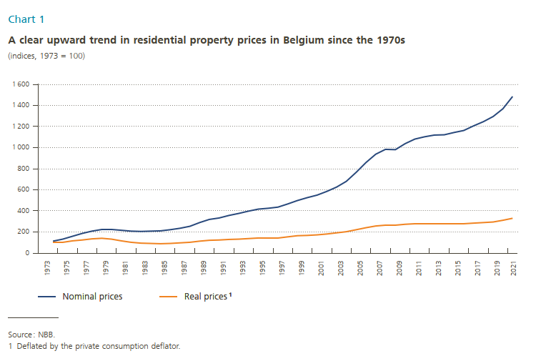
 | Chart 1

X-as | Variabele1 | Variabele2
 | Nominal prices | Real prices¹
1973 | 100.0 | 100.0
1974 | 115.0 | 102.1
1975 | 132.7 | 104.4
1976 | 160.9 | 116.0
1977 | 187.4 | 126.1
1978 | 209.2 | 134.8
1979 | 226.9 | 140.0
1980 | 228.8 | 132.1
1981 | 216.1 | 116.2
1982 | 208.2 | 104.4
1983 | 204.9 | 96.0
1984 | 208.8 | 92.6
1985 | 212.0 | 89.5
1986 | 222.1 | 93.4
1987 | 236.2 | 97.7
1988 | 254.9 | 104.2
1989 | 290.3 | 114.2
1990 | 320.8 | 122.8
1991 | 334.5 | 124.5
1992 | 356.6 | 130.3
1993 | 375.5 | 133.8
1994 | 399.0 | 139.0
1995 | 417.2 | 143.2
1996 | 426.8 | 145.6
1997 | 437.1 | 147.0
1998 | 465.3 | 154.7
1999 | 498.3 | 165.1
2000 | 525.2 | 168.3
2001 | 550.2 | 172.3
2002 | 586.0 | 181.6
2003 | 626.5 | 191.3
2004 | 680.7 | 202.8
2005 | 767.6 | 222.3
2006 | 858.7 | 242.0
2007 | 938.1 | 257.5
2008 | 983.6 | 261.7
2009 | 980.6 | 263.1
2010 | 1,037.2 | 273.1
2011 | 1,081.1 | 276.8
2012 | 1,103.5 | 277.0
2013 | 1,118.4 | 277.7
2014 | 1,121.0 | 276.3
2015 | 1,143.4 | 279.4
2016 | 1,161.4 | 279.6
2017 | 1,204.6 | 284.5
2018 | 1,247.5 | 288.9
2019 | 1,294.0 | 295.6
2020 | 1,369.6 | 311.0
2021 | 1,484.3 | 329.8

Chart 2
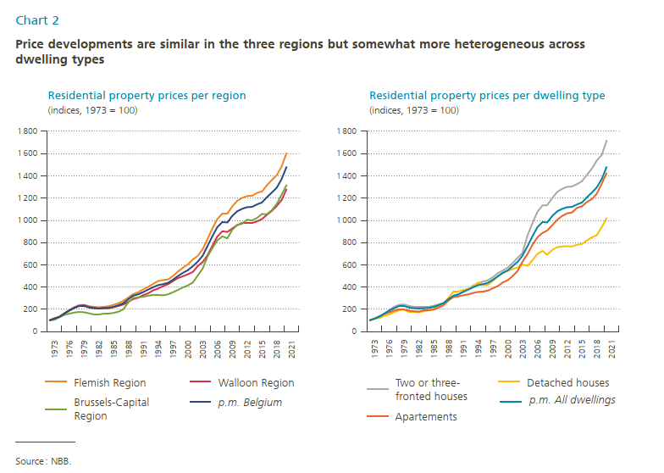
 | Chart 2a |  |  |  | Chart 2b

X-as | Variabele1 | Variabele2 | Variabele3 | Variabele4 | Variabele5 | Variabele6 | Variabele7 | Variabele8
 | Flemish Region | Walloon Region | Brussels-Capital Region | p.m. Belgium | Two or three-fronted houses | Detached houses | Apartements | p.m. All dwellings
1973 | 100.0 | 100.0 | 100.0 | 100.0 | 100.0 | 100.0 | 100.0 | 100.0
1974 | 116.5 | 116.6 | 105.7 | 115.0 | 114.4 | 116.7 | 113.7 | 115.0
1975 | 134.5 | 131.2 | 127.0 | 132.7 | 129.1 | 122.1 | 137.4 | 132.7
1976 | 163.5 | 161.2 | 148.6 | 160.9 | 161.6 | 142.1 | 157.6 | 160.9
1977 | 193.4 | 188.5 | 161.9 | 187.4 | 195.0 | 153.9 | 174.1 | 187.4
1978 | 218.7 | 211.3 | 169.0 | 209.2 | 220.9 | 171.6 | 187.1 | 209.2
1979 | 237.7 | 232.2 | 175.9 | 226.9 | 241.3 | 190.9 | 196.3 | 226.9
1980 | 240.5 | 235.4 | 172.1 | 228.8 | 242.4 | 196.5 | 196.9 | 228.8
1981 | 227.0 | 222.4 | 163.0 | 216.1 | 229.8 | 176.4 | 188.3 | 216.1
1982 | 221.1 | 212.4 | 153.1 | 208.2 | 220.7 | 176.9 | 181.1 | 208.2
1983 | 218.5 | 206.5 | 153.0 | 204.9 | 217.3 | 172.7 | 178.7 | 204.9
1984 | 222.4 | 211.0 | 156.5 | 208.8 | 218.4 | 182.0 | 188.2 | 208.8
1985 | 228.7 | 210.1 | 157.7 | 212.0 | 221.6 | 191.3 | 189.1 | 212.0
1986 | 238.9 | 219.9 | 167.2 | 222.1 | 231.6 | 204.6 | 197.3 | 222.1
1987 | 256.1 | 229.5 | 179.1 | 236.2 | 242.4 | 230.8 | 214.4 | 236.2
1988 | 275.9 | 244.0 | 200.2 | 254.9 | 258.4 | 252.5 | 237.0 | 254.9
1989 | 306.4 | 267.4 | 263.3 | 290.3 | 286.4 | 303.8 | 280.6 | 290.3
1990 | 336.8 | 291.6 | 300.8 | 320.8 | 310.8 | 360.0 | 310.8 | 320.8
1991 | 353.0 | 305.0 | 305.6 | 334.5 | 331.3 | 359.5 | 314.7 | 334.5
1992 | 378.6 | 329.5 | 312.4 | 356.6 | 359.6 | 374.4 | 324.2 | 356.6
1993 | 401.9 | 344.4 | 321.5 | 375.5 | 384.0 | 382.7 | 334.6 | 375.5
1994 | 428.0 | 370.4 | 331.4 | 399.0 | 413.3 | 403.6 | 345.5 | 399.0
1995 | 452.3 | 386.0 | 332.4 | 417.2 | 431.1 | 439.6 | 356.3 | 417.2
1996 | 461.1 | 407.7 | 324.7 | 426.8 | 448.8 | 418.5 | 359.9 | 426.8
1997 | 467.8 | 426.8 | 333.7 | 437.1 | 460.7 | 420.0 | 368.0 | 437.1
1998 | 499.3 | 452.7 | 353.5 | 465.3 | 488.5 | 457.7 | 390.2 | 465.3
1999 | 538.3 | 481.2 | 372.8 | 498.3 | 525.2 | 497.1 | 410.3 | 498.3
2000 | 572.9 | 495.1 | 394.1 | 525.2 | 546.2 | 528.9 | 441.1 | 525.2
2001 | 602.6 | 512.9 | 413.8 | 550.2 | 575.7 | 544.2 | 463.1 | 550.2
2002 | 647.6 | 534.4 | 440.1 | 586.0 | 615.7 | 562.5 | 499.7 | 586.0
2003 | 677.7 | 586.1 | 501.3 | 626.5 | 663.0 | 574.0 | 545.9 | 626.5
2004 | 738.4 | 622.6 | 564.9 | 680.7 | 707.5 | 601.5 | 626.1 | 680.7
2005 | 832.6 | 684.0 | 672.6 | 767.6 | 864.1 | 589.2 | 695.8 | 767.6
2006 | 927.7 | 773.5 | 753.1 | 858.7 | 977.7 | 641.3 | 780.9 | 858.7
2007 | 1,010.9 | 853.4 | 817.9 | 938.1 | 1,075.2 | 697.7 | 846.3 | 938.1
2008 | 1,058.7 | 900.1 | 855.6 | 983.6 | 1,133.6 | 723.6 | 887.4 | 983.6
2009 | 1,060.9 | 893.9 | 836.8 | 980.6 | 1,135.4 | 691.4 | 906.1 | 980.6
2010 | 1,125.0 | 925.5 | 912.7 | 1,037.2 | 1,199.6 | 733.5 | 955.7 | 1,037.2
2011 | 1,174.7 | 957.6 | 958.4 | 1,081.1 | 1,253.4 | 757.2 | 1,004.1 | 1,081.1
2012 | 1,201.2 | 973.6 | 969.5 | 1,103.5 | 1,280.8 | 762.8 | 1,039.9 | 1,103.5
2013 | 1,217.3 | 975.2 | 1,006.2 | 1,118.4 | 1,300.4 | 765.6 | 1,063.5 | 1,118.4
2014 | 1,222.5 | 974.6 | 1,000.2 | 1,121.0 | 1,304.6 | 764.9 | 1,068.5 | 1,121.0
2015 | 1,244.9 | 990.3 | 1,018.8 | 1,143.4 | 1,325.0 | 778.8 | 1,111.5 | 1,143.4
2016 | 1,258.7 | 1,009.7 | 1,055.4 | 1,161.4 | 1,353.4 | 787.3 | 1,126.1 | 1,161.4
2017 | 1,313.7 | 1,046.6 | 1,052.8 | 1,204.6 | 1,405.9 | 817.8 | 1,162.2 | 1,204.6
2018 | 1,360.3 | 1,085.1 | 1,089.4 | 1,247.5 | 1,465.4 | 845.7 | 1,191.6 | 1,247.5
2019 | 1,406.8 | 1,129.4 | 1,147.3 | 1,294.0 | 1,534.0 | 864.6 | 1,236.0 | 1,294.0
2020 | 1,482.2 | 1,181.9 | 1,228.9 | 1,369.6 | 1,587.7 | 938.2 | 1,326.8 | 1,369.6
2021 | 1,607.0 | 1,281.5 | 1,318.1 | 1,484.3 | 1,722.4 | 1,023.0 | 1,427.5 | 1,484.3

Chart 3
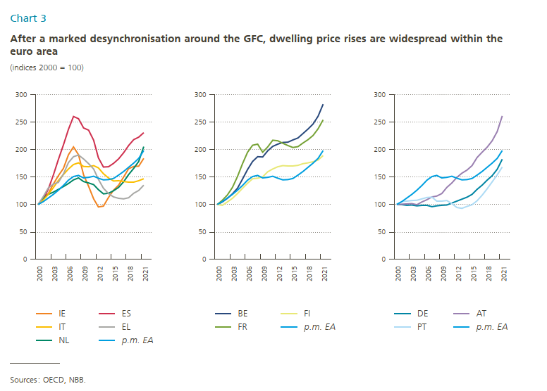
 | Chart 3a |  |  |  |  |  |  | Chart 3b |  |  |  |  | Chart 3c

X-as | Variabele1 | Variabele2 | Variabele3 | Variabele4 | Variabele5 | Variabele6 |  | Variabele7 | Variabele8 | Variabele9 | Variabele10 |  | Variabele11 | Variabele12 | Variabele13 | Variabele14
 | IE | ES | NL | IT | EL | p.m. EA |  | BE | FI | FR | p.m. EA |  | DE | AT | PT | p.m. EA
2000 | 100.00000 | 100.00000 | 100.00000 | 100.00000 | 100.00000 | 100.00000 | 2000 | 100.000000 | 100.000000 | 100.000000 | 100.000000 | 2000 | 100.000000 | 100.000000 | 100.000000 | 100.000000
2001 | 112.38891 | 109.50082 | 111.09026 | 108.20085 | 114.40148 | 104.99558 | 2001 | 104.761383 | 98.575929 | 107.892057 | 104.995578 | 2001 | 100.059262 | 100.850000 | 105.419096 | 104.995578
2002 | 120.23116 | 128.07478 | 118.22980 | 118.56583 | 130.25340 | 111.81711 | 2002 | 111.580063 | 104.497235 | 117.209776 | 111.817107 | 2002 | 98.755497 | 101.425000 | 106.075613 | 111.817107
2003 | 137.32932 | 153.65675 | 122.45020 | 130.75328 | 137.27631 | 118.35453 | 2003 | 119.290360 | 111.122541 | 131.160896 | 118.354528 | 2003 | 99.140700 | 101.700000 | 107.221688 | 118.354528
2004 | 152.65948 | 181.82929 | 127.76084 | 143.73953 | 140.45379 | 126.14359 | 2004 | 129.624351 | 120.190948 | 150.865580 | 126.143589 | 2004 | 97.569663 | 99.750000 | 107.906503 | 126.143589
2005 | 165.85669 | 208.37661 | 132.67182 | 154.57905 | 155.75536 | 134.90589 | 2005 | 146.166776 | 129.715328 | 174.185336 | 134.905889 | 2005 | 98.785128 | 104.725000 | 110.357123 | 134.905889
2006 | 190.52278 | 236.72929 | 138.34077 | 164.52776 | 176.37810 | 144.41233 | 2006 | 163.520427 | 138.740350 | 195.162933 | 144.412333 | 2006 | 98.399924 | 109.025000 | 112.683231 | 144.412333
2007 | 204.71193 | 259.94916 | 145.04016 | 173.01052 | 186.87210 | 151.08087 | 2007 | 178.623109 | 146.923262 | 207.892057 | 151.080868 | 2007 | 96.294935 | 114.125000 | 113.195427 | 151.080868
2008 | 190.50139 | 256.23664 | 148.21983 | 175.93403 | 190.02418 | 153.17701 | 2008 | 187.287145 | 148.105617 | 209.826884 | 153.177009 | 2008 | 97.599294 | 115.350000 | 106.052974 | 153.177009
2009 | 154.02679 | 239.30578 | 141.61068 | 169.46302 | 182.95639 | 148.26510 | 2009 | 186.720748 | 150.236406 | 194.908350 | 148.265100 | 2009 | 98.399628 | 119.850000 | 106.281683 | 148.265100
2010 | 133.34594 | 235.07787 | 139.17480 | 168.68241 | 174.43979 | 149.58257 | 2010 | 197.504225 | 159.712253 | 204.837067 | 149.582569 | 2010 | 99.407379 | 131.089858 | 107.099714 | 149.582569
2011 | 110.57826 | 217.10926 | 136.41355 | 170.96769 | 164.90396 | 151.26539 | 2011 | 205.864200 | 164.786170 | 217.006110 | 151.265387 | 2011 | 102.875396 | 139.283241 | 101.847356 | 151.265387
2012 | 95.67568 | 185.02432 | 127.25611 | 166.61137 | 145.67542 | 148.01415 | 2012 | 210.127799 | 168.767046 | 215.835031 | 148.014154 | 2012 | 106.402081 | 149.478028 | 94.644693 | 148.014154
2013 | 96.89210 | 168.13714 | 119.61966 | 155.82769 | 129.86710 | 144.99911 | 2013 | 212.966587 | 170.717931 | 211.405295 | 144.999105 | 2013 | 109.750981 | 157.210533 | 92.861485 | 144.999105
2014 | 112.89567 | 168.66126 | 120.60013 | 148.47194 | 120.17296 | 145.33493 | 2014 | 213.457596 | 170.109741 | 207.586558 | 145.334931 | 2014 | 113.189070 | 162.723997 | 96.804494 | 145.334931
2015 | 125.82655 | 174.70743 | 124.90110 | 142.83015 | 114.10243 | 147.61559 | 2015 | 217.727110 | 170.122926 | 203.665988 | 147.615592 | 2015 | 118.523841 | 170.695476 | 99.759881 | 147.615592
2016 | 135.24403 | 182.78370 | 131.21048 | 143.18722 | 111.39021 | 153.54974 | 2016 | 221.151540 | 171.487312 | 205.549898 | 153.549738 | 2016 | 127.445449 | 185.260068 | 106.857796 | 153.549738
2017 | 149.93712 | 194.10908 | 141.11108 | 141.65180 | 110.26202 | 160.21458 | 2017 | 229.374399 | 174.158242 | 211.761711 | 160.214582 | 2017 | 135.240189 | 195.036651 | 116.734024 | 160.214582
2018 | 165.29016 | 207.16843 | 154.44739 | 140.86623 | 112.25282 | 167.80571 | 2018 | 237.553383 | 175.970051 | 218.228106 | 167.805714 | 2018 | 144.220763 | 204.220068 | 128.722668 | 167.805714
2019 | 169.14957 | 217.88671 | 165.69130 | 140.72340 | 120.35695 | 175.11638 | 2019 | 246.400392 | 177.756342 | 225.407332 | 175.116376 | 2019 | 152.548862 | 216.100473 | 141.541813 | 175.116376
2020 | 169.67364 | 222.76103 | 178.30944 | 143.40147 | 125.76740 | 184.21688 | 2020 | 260.790323 | 180.950399 | 237.983707 | 184.216877 | 2020 | 164.374607 | 232.677137 | 153.956930 | 184.216877
2021 | 183.73759 | 230.95479 | 205.07637 | 147.04364 | 135.02967 | 198.46178 | 2021 | 282.637045 | 189.001467 | 253.920570 | 198.461782 | 2021 | 182.453983 | 261.313437 | 168.434582 | 198.461782

Chart 4
 |  | Chart 4a |  | Chart 4b
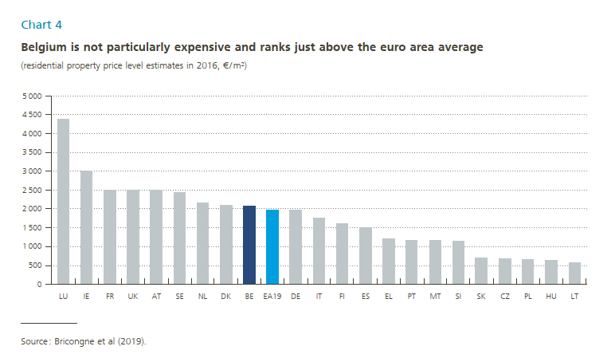
X-as |  | Variabele1 | X-as | Variabele2
Niscode | Municipality | Average house price in 2021 |  | Average price per sq. m. in 2016
3211001 | AARTSELAAR | 394 | LU | 4,371.3
3211002 | ANVERS | 288 | IE | 3,001.1
3211004 | BOECHOUT | 406 | FR | 2,504
3211005 | BOOM | 222 | UK | 2,500.8
3211007 | BORSBEEK | 248 | AT | 2,498.5
3211008 | BRASSCHAAT | 433 | SE | 2,432.0
3211009 | BRECHT | 386 | NL | 2,164.0
3211013 | EDEGEM | 371 | DK | 2,101.1
3211016 | ESSEN | 321 | BE | 2,079.6
3211018 | HEMIKSEM | 254 | EA19 | 1,966.7
3211021 | HOVE | 491 | DE | 1,965.2
3211022 | KALMTHOUT | 413 | IT | 1,763.8
3211023 | KAPELLEN | 442 | FI | 1,602.0
3211024 | KONTICH | 392 | ES | 1,499.4
3211025 | LINT | 245 | EL | 1,218.4
3211029 | MORTSEL | 311 | PT | 1,166.5
3211030 | NIEL | 231 | MT | 1,159.2
3211035 | RANST | 385 | SI | 1,136.6
3211037 | RUMST | 319 | SK | 709.1
3211038 | SCHELLE | 262 | CZ | 685.0
3211039 | SCHILDE | 570 | PL | 653.3
3211040 | SCHOTEN | 364 | HU | 628.2
3211044 | STABROEK | 301 | LT | 565.0
3211050 | WIJNEGEM | 357
3211052 | WOMMELGEM | 329
3211053 | WUUSTWEZEL | 346
3211054 | ZANDHOVEN | 376
3211055 | ZOERSEL | 423
3211056 | ZWIJNDRECHT | 244
3211057 | MALLE | 367
3212002 | BERLAAR | 369
3212005 | BONHEIDEN | 383 |  |  | Légende de la carte:
3212007 | BORNEM | 322
3212009 | DUFFEL | 342 |  |  |  | 57-149
3212014 | HEIST-OP-DEN-BERG | 338 |  |  |  | 149-184
3212021 | LIERRE | 295 |  |  |  | 184-217
3212025 | MALINES | 309 |  |  |  | 217-243
3212026 | NIJLEN | 309 |  |  |  | 243-261
3212029 | PUTTE | 334 |  |  |  | 261-276
3212030 | SINT-KATELIJNE-WAVER | 380 |  |  |  | 276-297
3212034 | WILLEBROEK | 285 |  |  |  | 297-338
3212035 | PUURS-SINT-AMANDS | 359 |  |  |  | 338-381
3212040 | ARENDONK | 297 |  |  |  | 381-876
3213001 | BAERLE-DUC | #N/A |  |  |  | No data
3213002 | BALEN | 262
3213003 | BEERSE | 341
3213004 | DESSEL | 316
3213006 | GEEL | 282
3213008 | GROBBENDONK | 375
3213010 | HERENTALS | 278
3213011 | HERENTHOUT | 256
3213012 | HERSELT | 226
3213013 | HOOGSTRATEN | 432
3213014 | HULSHOUT | 282
3213016 | KASTERLEE | 333
3213017 | LILLE | 272
3213019 | MEERHOUT | 212
3213021 | MERKSPLAS | 273
3213023 | MOL | 278
3213025 | OLEN | 329
3213029 | OUD-TURNHOUT | 399
3213031 | RAVELS | 354
3213035 | RETIE | 303
3213036 | RIJKEVORSEL | 287
3213037 | TURNHOUT | 254
3213040 | VORSELAAR | 231
3213044 | VOSSELAAR | 315
3213046 | WESTERLO | 294
3213049 | LAAKDAL | 262
3213053 | ANDERLECHT | 263
3221001 | AUDERGHEM | 411
3221002 | BERCHEM-SAINTE-AGATHE | 278
3221003 | BRUXELLES | 351
3221004 | ETTERBEEK | 452
3221005 | EVERE | 268
3221006 | FOREST | 361
3221007 | GANSHOREN | 246
3221008 | IXELLES | 589
3221009 | JETTE | 263
3221010 | KOEKELBERG | 277
3221011 | MOLENBEEK-SAINT-JEAN | 251
3221012 | SAINT-GILLES | 436
3221013 | SAINT-JOSSE-TEN-NOODE | 299
3221014 | SCHAERBEEK | 361
3221015 | UCCLE | 534
3221016 | WATERMAEL-BOITSFORT | 433
3221017 | WOLUWE-SAINT-LAMBERT | 416
3221018 | WOLUWE-SAINT-PIERRE | 559
3221019 | ASSE | 327
3223002 | BEERSEL | 394
3223003 | BIEVENE | #N/A
3223009 | DILBEEK | 381
3223016 | GAMMERAGES | 297
3223023 | GOOIK | 343
3223024 | GRIMBERGEN | 357
3223025 | HAL | 304
3223027 | HERNE | 319
3223032 | HOEILAART | 462
3223033 | KAMPENHOUT | 374
3223038 | KAPELLE-OP-DEN-BOS | 307
3223039 | LIEDEKERKE | 219
3223044 | LONDERZEEL | 356
3223045 | MACHELEN | 275
3223047 | MEISE | 426
3223050 | MERCHTEM | 347
3223052 | OPWIJK | 357
3223060 | OVERIJSE | 485
3223062 | PEPINGEN | 421
3223064 | SINT-PIETERS-LEEUW | 325
3223077 | STEENOKKERZEEL | 346
3223081 | TERNAT | 332
3223086 | VILVORDE | 298
3223088 | ZAVENTEM | 360
3223094 | ZEMST | 387
3223096 | ROOSDAAL | 343
3223097 | DROGENBOS | 284
3223098 | KRAAINEM | 566
3223099 | LINKEBEEK | 253
3223100 | RHODE-SAINT-GENESE | 642
3223101 | WEMMEL | 427
3223102 | WEZEMBEEK-OPPEM | 518
3223103 | LENNIK | 361
3223104 | AFFLIGEM | 348
3223105 | AARSCHOT | 288
3224001 | BEGIJNENDIJK | 252
3224007 | BEKKEVOORT | 249
3224008 | BERTEM | 363
3224009 | BIERBEEK | 443
3224011 | BOORTMEERBEEK | 378
3224014 | BOUTERSEM | 354
3224016 | DIEST | 268
3224020 | GEETBETS | 235
3224028 | HAACHT | 371
3224033 | HERENT | 418
3224038 | HOEGAARDEN | 273
3224041 | HOLSBEEK | 413
3224043 | HULDENBERG | 422
3224045 | KEERBERGEN | 493
3224048 | KORTENAKEN | 295
3224054 | KORTENBERG | 409
3224055 | LANDEN | 224
3224059 | LOUVAIN | 354
3224062 | LUBBEEK | 366
3224066 | OUD-HEVERLEE | 434
3224086 | ROTSELAAR | 343
3224094 | TERVUREN | 557
3224104 | TIRLEMONT | 245
3224107 | TREMELO | 294
3224109 | LEAU | 225
3224130 | LINTER | 248
3224133 | MONTAIGU-ZICHEM | 282
3224134 | TIELT-WINGE | 321
3224135 | GLABBEEK | 325
3224137 | BEAUVECHAIN | 358
3225005 | BRAINE-L'ALLEUD | 391
3225014 | BRAINE-LE-CHATEAU | 340
3225015 | CHAUMONT-GISTOUX | 519
3225018 | COURT-SAINT-ETIENNE | 282
3225023 | GENAPPE | 365
3225031 | GREZ-DOICEAU | 425
3225037 | INCOURT | 330
3225043 | ITTRE | 125
3225044 | JODOIGNE | 298
3225048 | LA HULPE | 473
3225050 | MONT-SAINT-GUIBERT | 344
3225068 | NIVELLES | 281
3225072 | PERWEZ | 313
3225084 | RIXENSART | 494
3225091 | TUBIZE | 264
3225105 | VILLERS-LA-VILLE | 332
3225107 | WATERLOO | 521
3225110 | WAVRE | 356
3225112 | CHASTRE | 345
3225117 | HELECINE | 145
3225118 | LASNE | 636
3225119 | ORP-JAUCHE | 287
3225120 | OTTIGNIES-LOUVAIN-LA-NEUVE | 294
3225121 | RAMILLIES | 304
3225122 | REBECQ | 271
3225123 | WALHAIN | 267
3225124 | BEERNEM | 395
3231003 | BLANKENBERGE | 233
3231004 | BRUGES | 335
3231005 | DAMME | 422
3231006 | JABBEKE | 375
3231012 | OOSTKAMP | 370
3231022 | TORHOUT | 273
3231033 | ZEDELGEM | 335
3231040 | ZUIENKERKE | 109
3231042 | KNOKKE-HEIST | 794
3231043 | DIXMUDE | 292
3232003 | HOUTHULST | 245
3232006 | KOEKELARE | 254
3232010 | KORTEMARK | 250
3232011 | LO-RENINGE | 226
3232030 | YPRES | 274
3233011 | MESSINES | 126
3233016 | POPERINGE | 242
3233021 | WERVIK | 221
3233029 | ZONNEBEKE | 255
3233037 | HEUVELLAND | 220
3233039 | LANGEMARK-POELKAPELLE | 272
3233040 | VLETEREN | 67
3233041 | ANZEGEM | 312
3234002 | AVELGEM | 232
3234003 | DEERLIJK | 249
3234009 | HARELBEKE | 241
3234013 | COURTRAI | 277
3234022 | KUURNE | 260
3234023 | LENDELEDE | 226
3234025 | MENIN | 196
3234027 | WAREGEM | 310
3234040 | WEVELGEM | 245
3234041 | ZWEVEGEM | 282
3234042 | ESPIERRES-HELCHIN | #N/A
3234043 | BREDENE | 235
3235002 | GISTEL | 275
3235005 | ICHTEGEM | 264
3235006 | MIDDELKERKE | 204
3235011 | OSTENDE | 250
3235013 | OUDENBURG | 292
3235014 | DE HAAN | 274
3235029 | HOOGLEDE | 289
3236006 | INGELMUNSTER | 222
3236007 | IZEGEM | 258
3236008 | LEDEGEM | 280
3236010 | LICHTERVELDE | 275
3236011 | MOORSLEDE | 255
3236012 | ROULERS | 273
3236015 | STADEN | 281
3236019 | DENTERGEM | 301
3237002 | MEULEBEKE | 242
3237007 | OOSTROZEBEKE | 243
3237010 | PITTEM | 299
3237011 | RUISELEDE | 119
3237012 | TIELT | 293
3237015 | WIELSBEKE | 272
3237017 | WINGENE | 300
3237018 | ARDOOIE | 276
3237020 | ALVERINGEM | 91
3238002 | LA PANNE | 225
3238008 | KOKSIJDE | 317
3238014 | NIEUPORT | 304
3238016 | FURNES | 302
3238025 | ALOST | 253
3241002 | DENDERLEEUW | 280
3241011 | GRAMMONT | 237
3241018 | HAALTERT | 285
3241024 | HERZELE | 293
3241027 | LEDE | 297
3241034 | NINOVE | 278
3241048 | SINT-LIEVENS-HOUTEM | 297
3241063 | ZOTTEGEM | 267
3241081 | ERPE-MERE | 294
3241082 | BERLARE | 301
3242003 | BUGGENHOUT | 288
3242004 | TERMONDE | 261
3242006 | HAMME | 267
3242008 | LAARNE | 338
3242010 | LEBBEKE | 274
3242011 | WAASMUNSTER | 377
3242023 | WETTEREN | 295
3242025 | WICHELEN | 263
3242026 | ZELE | 283
3242028 | ASSENEDE | 255
3243002 | EEKLO | 257
3243005 | KAPRIJKE | 231
3243007 | MALDEGEM | 336
3243010 | SINT-LAUREINS | 290
3243014 | ZELZATE | 243
3243018 | DE PINTE | 431
3244001 | DESTELBERGEN | 419
3244011 | EVERGEM | 328
3244012 | GAVERE | 348
3244013 | GAND | 356
3244019 | LOCHRISTI | 438
3244020 | MELLE | 376
3244021 | MERELBEKE | 385
3244029 | MOERBEKE | 346
3244034 | NAZARETH | 339
3244036 | OOSTERZELE | 355
3244040 | SINT-MARTENS-LATEM | 876
3244043 | WACHTEBEKE | 292
3244045 | ZULTE | 260
3244048 | DEINZE | 368
3244049 | AALTER | 334
3244052 | LIEVEGEM | 338
3244064 | AUDENARDE | 304
3244072 | RENAIX | 217
3244073 | BRAKEL | 268
3244080 | KLUISBERGEN | 270
3244081 | WORTEGEM-PETEGEM | 361
3245017 | HOREBEKE | #N/A
3245035 | LIERDE | 234
3245041 | MAARKEDAL | 377
3245057 | ZWALM | 327
3245059 | KRUISEM | 420
3245060 | BEVEREN | 306
3245061 | KRUIBEKE | 289
3245062 | LOKEREN | 301
3245063 | SINT-GILLIS-WAAS | 288
3245064 | SAINT-NICOLAS | 264
3245065 | STEKENE | 267
3246003 | TAMISE | 292
3246013 | ATH | 220
3246014 | BELOEIL | 170
3246020 | BERNISSART | 195
3246021 | BRUGELETTE | 95
3246024 | CHIEVRES | 246
3246025 | ELLEZELLES | 211
3251004 | FLOBECQ | 258
3251008 | FRASNES-LEZ-ANVAING | 228
3251009 | ENGHIEN | 297
3251012 | SILLY | 265
3251014 | LESSINES | 195
3251017 | CHAPELLE-LEZ-HERLAIMONT | 155
3251019 | CHARLEROI | 137
3251065 | CHATELET | 147
3252010 | COURCELLES | 171
3252011 | FARCIENNES | 109
3252012 | FLEURUS | 179
3252015 | FONTAINE-L'EVEQUE | 153
3252018 | GERPINNES | 239
3252021 | MONTIGNY-LE-TILLEUL | 225
3252022 | PONT-A-CELLES | 218
3252025 | AISEAU-PRESLES | 171
3252043 | LES BONS VILLERS | 229
3252048 | BOUSSU | 126
3252055 | DOUR | 135
3252063 | FRAMERIES | 144
3252074 | HENSIES | 149
3252075 | JURBISE | 263
3253014 | LENS | 206
3253020 | MONS | 174
3253028 | QUAREGNON | 127
3253039 | QUIEVRAIN | 78
3253044 | SAINT-GHISLAIN | 162
3253046 | COLFONTAINE | 114
3253053 | HONNELLES | 183
3253065 | QUEVY | 186
3253068 | BRAINE-LE-COMTE | 252
3253070 | LE ROEULX | 207
3253082 | SOIGNIES | 233
3253083 | ECAUSSINNES | 213
3253084 | SENEFFE | 257
3254007 | MANAGE | 167
3254010 | ANDERLUES | 157
3255004 | BEAUMONT | 178
3255010 | CHIMAY | 127
3255022 | ERQUELINNES | 137
3255023 | FROIDCHAPELLE | 125
3255035 | LOBBES | 213
3255039 | MERBES-LE-CHATEAU | 67
3255040 | MOMIGNIES | 153
3255050 | THUIN | 209
3256001 | HAM-SUR-HEURE-NALINNES | 237
3256005 | SIVRY-RANCE | 118
3256011 | ANTOING | 156
3256016 | CELLES | 249
3256022 | ESTAIMPUIS | 210
3256029 | PECQ | 102
3256044 | PERUWELZ | 172
3256049 | RUMES | 173
3256051 | TOURNAI | 213
3256078 | BRUNEHAUT | 180
3256085 | LEUZE-EN-HAINAUT | 168
3256086 | MONT-DE-L'ENCLUS | 236
3256087 | MOUSCRON | 194
3256088 | COMINES-WARNETON | 167
3257003 | LA LOUVIERE | 168
3257018 | BINCHE | 177
3257027 | ESTINNES | 199
3257062 | MORLANWELZ | 175
3257064 | AMAY | 168
3257072 | BURDINNE | 160
3257081 | CLAVIER | 235
3257093 | FERRIERES | 188
3257094 | HAMOIR | 198
3257095 | HERON | 265
3261003 | HUY | 207
3261010 | MARCHIN | 204
3261012 | MODAVE | 237
3261019 | NANDRIN | 238
3261024 | OUFFET | 99
3261028 | VERLAINE | 211
3261031 | VILLERS-LE-BOUILLET | 245
3261039 | WANZE | 185
3261041 | ANTHISNES | 78
3261043 | ENGIS | 158
3261048 | TINLOT | #N/A
3261063 | ANS | 196
3261068 | AWANS | 250
3261072 | AYWAILLE | 194
3261079 | BASSENGE | 193
3261080 | BEYNE-HEUSAY | 176
3261081 | CHAUDFONTAINE | 302
3262003 | COMBLAIN-AU-PONT | 163
3262006 | DALHEM | 267
3262009 | ESNEUX | 219
3262011 | FLERON | 209
3262015 | HERSTAL | 174
3262022 | JUPRELLE | 230
3262026 | LIEGE | 189
3262027 | OUPEYE | 213
3262032 | SAINT-NICOLAS | 147
3262038 | SERAING | 157
3262051 | SOUMAGNE | 243
3262060 | SPRIMONT | 229
3262063 | VISE | 186
3262079 | GRACE-HOLLOGNE | 188
3262093 | BLEGNY | 259
3262096 | FLEMALLE | 181
3262099 | NEUPRE | 288
3262100 | TROOZ | 173
3262108 | AMBLEVE | #N/A
3262118 | AUBEL | #N/A
3262119 | BAELEN | #N/A
3262120 | BULLANGE | #N/A
3262121 | BUTGENBACH | 128
3262122 | DISON | 133
3263001 | EUPEN | 218
3263003 | HERVE | 261
3263004 | JALHAY | 234
3263012 | LA CALAMINE | 237
3263013 | LIERNEUX | #N/A
3263020 | LIMBOURG | 92
3263023 | LONTZEN | #N/A
3263035 | MALMEDY | 229
3263038 | OLNE | 81
3263040 | PEPINSTER | 207
3263045 | RAEREN | 262
3263046 | SAINT-VITH | 139
3263048 | SPA | 246
3263049 | STAVELOT | 160
3263057 | STOUMONT | 203
3263058 | THEUX | 232
3263061 | VERVIERS | 190
3263067 | WAIMES | 199
3263072 | WELKENRAEDT | 187
3263073 | TROIS-PONTS | 172
3263075 | BURG-REULAND | #N/A
3263076 | PLOMBIERES | 208
3263079 | THIMISTER-CLERMONT | #N/A
3263080 | BERLOZ | 81
3263084 | BRAIVES | 249
3263086 | CRISNEE | 174
3263087 | DONCEEL | #N/A
3263088 | FEXHE-LE-HAUT-CLOCHER | 106
3263089 | GEER | 271
3264008 | HANNUT | 251
3264015 | LINCENT | 135
3264021 | OREYE | 94
3264023 | REMICOURT | 229
3264025 | SAINT-GEORGES-SUR-MEUSE | 212
3264029 | WAREMME | 207
3264034 | WASSEIGES | 122
3264047 | FAIMES | 188
3264056 | AS | 212
3264063 | BERINGEN | 263
3264065 | DIEPENBEEK | 271
3264074 | GENK | 259
3264075 | GINGELOM | 215
3264076 | HALEN | 247
3271002 | HASSELT | 296
3271004 | HERCK-LA-VILLE | 256
3271011 | BOURG-LEOPOLD | 228
3271016 | LUMMEN | 274
3271017 | NIEUWERKERKEN | 274
3271020 | SAINT-TROND | 255
3271022 | TESSENDERLO | 269
3271024 | ZONHOVEN | 311
3271034 | ZUTENDAAL | 162
3271037 | HAM | 270
3271045 | HEUSDEN-ZOLDER | 293
3271047 | BOCHOLT | 247
3271053 | BREE | 267
3271057 | KINROOI | 245
3271066 | LOMMEL | 274
3271067 | MAASEIK | 267
3271069 | PEER | 259
3271070 | HAMONT-ACHEL | 303
3272003 | HECHTEL-EKSEL | 240
3272004 | HOUTHALEN-HELCHTEREN | 261
3272018 | DILSEN-STOKKEM | 246
3272020 | OUDSBERGEN | 277
3272021 | PELT | 281
3272025 | ALKEN | 292
3272029 | BILZEN | 251
3272030 | LOOZ | 250
3272037 | HEERS | 218
3272038 | HERSTAPPE | #N/A
3272039 | HOESELT | 249
3272040 | KORTESSEM | 264
3272041 | LANAKEN | 290
3273001 | RIEMST | 223
3273006 | TONGRES | 217
3273009 | WELLEN | 235
3273022 | MAASMECHELEN | 245
3273028 | FOURONS | 226
3273032 | ARLON | 309
3273040 | ATTERT | 261
3273042 | AUBANGE | 274
3273066 | MARTELANGE | #N/A
3273083 | MESSANCY | 379
3273098 | BASTOGNE | 259
3273107 | BERTOGNE | #N/A
3273109 | FAUVILLERS | #N/A
3281001 | HOUFFALIZE | 198
3281003 | VIELSALM | 159
3281004 | VAUX-SUR-SURE | 227
3281013 | GOUVY | 178
3281015 | SAINTE-ODE | #N/A
3282003 | DURBUY | 210
3282005 | EREZEE | 134
3282009 | HOTTON | 177
3282014 | LA ROCHE-EN-ARDENNE | 192
3282032 | MARCHE-EN-FAMENNE | 224
3282036 | NASSOGNE | 57
3282037 | RENDEUX | 137
3282038 | TENNEVILLE | 135
3283012 | MANHAY | 183
3283013 | BERTRIX | 180
3283028 | BOUILLON | 163
3283031 | DAVERDISSE | 178
3283034 | HERBEUMONT | #N/A
3283040 | LEGLISE | 255
3283044 | LIBIN | 171
3283049 | NEUFCHATEAU | 214
3283055 | PALISEUL | 151
3284009 | SAINT-HUBERT | 179
3284010 | TELLIN | 110
3284016 | WELLIN | #N/A
3284029 | LIBRAMONT-CHEVIGNY | 247
3284033 | CHINY | 210
3284035 | ETALLE | 163
3284043 | FLORENVILLE | 142
3284050 | MEIX-DEVANT-VIRTON | 105
3284059 | MUSSON | 88
3284068 | SAINT-LEGER | 109
3284075 | TINTIGNY | 119
3284077 | VIRTON | 187
3285007 | HABAY | 281
3285009 | ROUVROY | #N/A
3285011 | ANHEE | 173
3285024 | BEAURAING | 149
3285026 | BIEVRE | 126
3285034 | CINEY | 217
3285039 | DINANT | 171
3285045 | GEDINNE | 161
3285046 | HAMOIS | 162
3285047 | HAVELANGE | 136
3291005 | HOUYET | 167
3291013 | ONHAYE | 137
3291015 | ROCHEFORT | 209
3291030 | SOMME-LEUZE | 123
3291034 | YVOIR | 268
3291054 | HASTIERE | 101
3291059 | VRESSE-SUR-SEMOIS | 149
3291064 | ANDENNE | 206
3291072 | ASSESSE | 273
3291103 | EGHEZEE | 281
3291114 | FLOREFFE | 234
3291120 | FOSSES-LA-VILLE | 207
3291141 | GESVES | 302
3291142 | METTET | 210
3291143 | NAMUR | 262
3292003 | OHEY | #N/A
3292006 | PROFONDEVILLE | 280
3292035 | SOMBREFFE | 261
3292045 | SAMBREVILLE | 190
3292048 | FERNELMONT | 183
3292054 | JEMEPPE-SUR-SAMBRE | 221
3292087 | LA BRUYERE | 278
3292094 | GEMBLOUX | 277
3292097 | CERFONTAINE | 161
3292101 | COUVIN | 137
3292114 | DOISCHE | 61
3292137 | FLORENNES | 157
3292138 | PHILIPPEVILLE | 131
3292140 | WALCOURT | 184
3292141 | VIROINVAL | 109
3292142
3293010
3293014
3293018
3293022
3293056
3293088
3293090

Chart 5
 | Chart 5a |  |  | Chart 5b
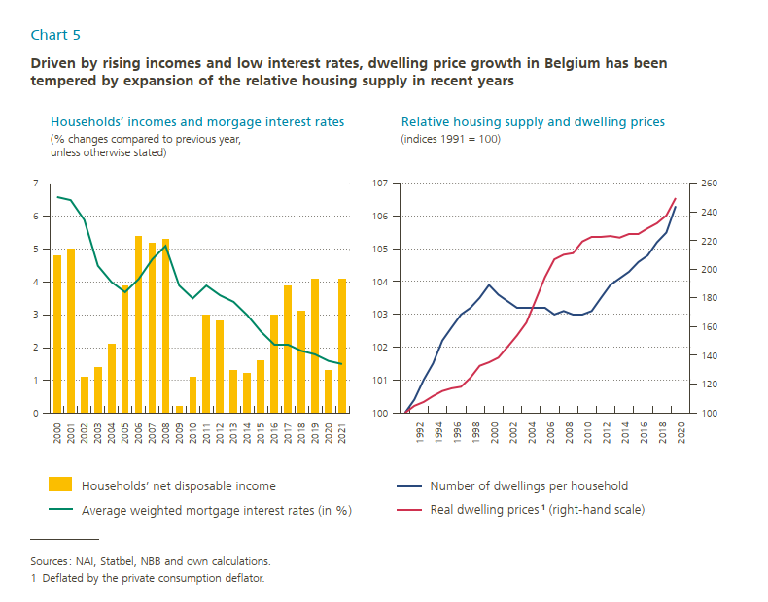
X-as | Variabele1 | Variabele2 | X-as | Variabele3 | Variabele4
 | Households' net disposable income | Average weighted mortgage interest rates (percentages) |  | Number of dwellings per household | Real dwelling prices¹ (right-hand scale)
2000 | 4.8 | 6.6 | 1991 | 100.0 | 100.0
2001 | 5.0 | 6.5 | 1992 | 100.4 | 104.7
2002 | 1.1 | 5.9 | 1993 | 101.0 | 107.5
2003 | 1.4 | 4.5 | 1994 | 101.5 | 111.6
2004 | 2.1 | 4.0 | 1995 | 102.2 | 115.0
2005 | 3.9 | 3.7 | 1996 | 102.6 | 117.0
2006 | 5.4 | 4.1 | 1997 | 103.0 | 118.1
2007 | 5.2 | 4.7 | 1998 | 103.2 | 124.3
2008 | 5.3 | 5.1 | 1999 | 103.5 | 132.6
2009 | 0.2 | 3.9 | 2000 | 103.9 | 135.2
2010 | 1.1 | 3.5 | 2001 | 103.6 | 138.4
2011 | 3.0 | 3.9 | 2002 | 103.4 | 145.9
2012 | 2.8 | 3.6 | 2003 | 103.2 | 153.7
2013 | 1.3 | 3.4 | 2004 | 103.2 | 162.9
2014 | 1.2 | 3.0 | 2005 | 103.2 | 178.6
2015 | 1.6 | 2.5 | 2006 | 103.2 | 194.4
2016 | 3.0 | 2.1 | 2007 | 103.0 | 206.9
2017 | 3.9 | 2.1 | 2008 | 103.1 | 210.2
2018 | 3.1 | 1.9 | 2009 | 103.0 | 211.3
2019 | 4.1 | 1.8 | 2010 | 103.0 | 219.4
2020 | 1.3 | 1.6 | 2011 | 103.1 | 222.4
2021 | 4.1 | 1.5 | 2012 | 103.5 | 222.5
 |  |  | 2013 | 103.9 | 223.1
 |  |  | 2014 | 104.1 | 222.0
 |  |  | 2015 | 104.3 | 224.5
 |  |  | 2016 | 104.6 | 224.6
 |  |  | 2017 | 104.8 | 228.6
 |  |  | 2018 | 105.2 | 232.1
 |  |  | 2019 | 105.5 | 237.5
 |  |  | 2020 | 106.3 | 249.8

Chart 6
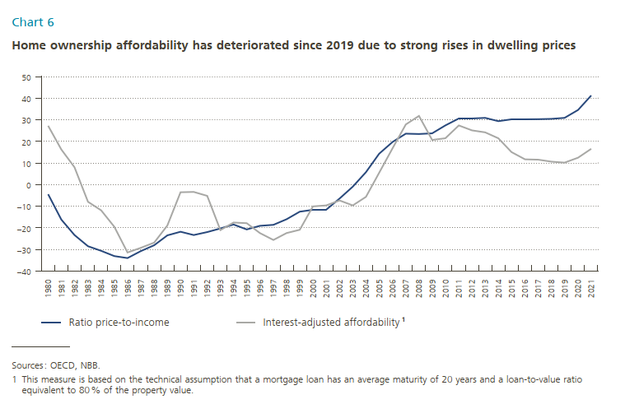
 | Chart 6

X-as | Variabele1 | Variabele2
 | Price-to-income ratios | Interest-adjusted-affordability¹
1980 | -4.4 | 27.3
1981 | -16.2 | 16.3
1982 | -23.3 | 8.1
1983 | -28.6 | -8.0
1984 | -30.6 | -11.9
1985 | -33.1 | -19.5
1986 | -34.0 | -31.5
1987 | -30.8 | -29.3
1988 | -28.1 | -26.9
1989 | -23.5 | -19.0
1990 | -21.9 | -3.5
1991 | -23.4 | -3.4
1992 | -22.0 | -5.2
1993 | -20.3 | -21.1
1994 | -18.5 | -17.5
1995 | -20.8 | -17.8
1996 | -19.1 | -22.4
1997 | -18.6 | -25.7
1998 | -16.0 | -22.4
1999 | -12.5 | -20.9
2000 | -11.7 | -10.1
2001 | -11.6 | -9.7
2002 | -6.5 | -7.3
2003 | -1.0 | -9.6
2004 | 5.8 | -5.7
2005 | 14.3 | 5.5
2006 | 19.8 | 16.8
2007 | 23.6 | 27.8
2008 | 23.5 | 31.8
2009 | 23.8 | 20.7
2010 | 27.4 | 21.5
2011 | 30.4 | 27.4
2012 | 30.5 | 25.1
2013 | 30.9 | 24.2
2014 | 29.3 | 21.5
2015 | 30.1 | 15.1
2016 | 30.2 | 11.7
2017 | 30.3 | 11.6
2018 | 30.5 | 10.6
2019 | 30.9 | 10.1
2020 | 34.5 | 12.5
2021 | 41.2 | 16.5

Chart 7
 | Chart 7a |  |  | Chart 7b
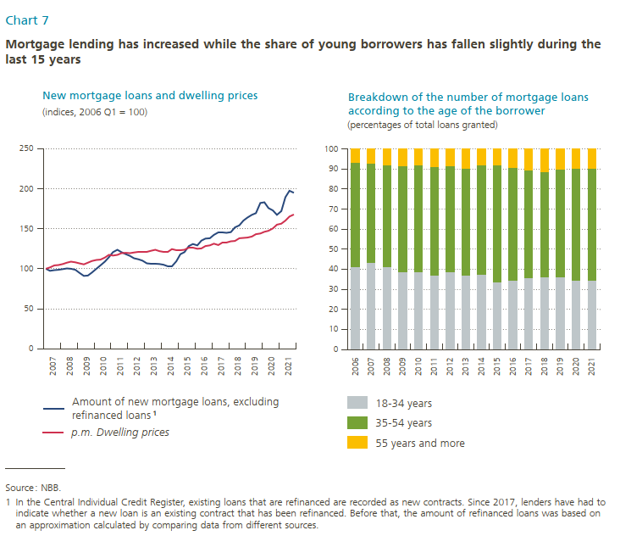
X-as | Variabele1 | Variabele2 | X-as | Variabele3 | Variabele4 | Variabele5
 | Amount of new mortgage loans, excluding refinanced loans¹ | p.m. Dwelling prices |  | 18-34 years | 35-54 years | 55 years and more
2007-02-15 | 100.0 | 100.0 | 2006 | 41.3465 | 51.8639 | 6.7896 | 100
2007-05-15 | 97.4 | 101.5 | 2007 | 43.4396 | 49.6614 | 6.8990 | 100
2007-08-15 | 98.3 | 104.3 | 2008 | 41.1522 | 51.1157 | 7.7320 | 100
2007-11-15 | 98.9 | 104.6 | 2009 | 38.5563 | 53.1145 | 8.3292 | 100
2008-02-15 | 99.6 | 105.8 | 2010 | 38.9879 | 52.9138 | 8.0983 | 100
2008-05-15 | 100.5 | 107.5 | 2011 | 37.0209 | 54.0699 | 8.9092 | 100
2008-08-15 | 100.0 | 108.9 | 2012 | 38.6287 | 52.8805 | 8.4908 | 100
2008-11-15 | 98.9 | 108.2 | 2013 | 36.9761 | 53.5489 | 9.4750 | 100
2009-02-15 | 94.8 | 106.7 | 2014 | 37.5545 | 54.4935 | 7.9521 | 100
2009-05-15 | 91.2 | 105.3 | 2015 | 33.7768 | 58.0712 | 8.1520 | 100
2009-08-15 | 91.5 | 107.4 | 2016 | 34.6221 | 56.1392 | 9.2387 | 100
2009-11-15 | 95.3 | 109.6 | 2017 | 35.8741 | 53.4138 | 10.7121 | 100
2010-02-15 | 99.9 | 110.8 | 2018 | 36.3510 | 52.4123 | 11.2367 | 100
2010-05-15 | 104.2 | 111.6 | 2019 | 36.3038 | 53.6346 | 10.0617 | 100
2010-08-15 | 108.9 | 114.1 | 2020 | 34.7471 | 55.6880 | 9.5650 | 100
2010-11-15 | 114.4 | 117.2 | 2021 | 34.5567 | 55.6993 | 9.7440 | 100
2011-02-15 | 120.6 | 116.3
2011-05-15 | 123.7 | 117.4
2011-08-15 | 120.9 | 119.5
2011-11-15 | 118.2 | 119.8
2012-02-15 | 116.1 | 119.5
2012-05-15 | 113.3 | 120.2
2012-08-15 | 111.8 | 121.5
2012-11-15 | 110.2 | 121.6
2013-02-15 | 106.8 | 121.4
2013-05-15 | 106.5 | 122.3
2013-08-15 | 106.3 | 123.8
2013-11-15 | 106.1 | 121.8
2014-02-15 | 105.0 | 121.3
2014-05-15 | 103.5 | 121.1
2014-08-15 | 103.4 | 124.7
2014-11-15 | 109.3 | 123.3
2015-02-15 | 118.2 | 123.3
2015-05-15 | 120.8 | 123.8
2015-08-15 | 128.5 | 126.6
2015-11-15 | 130.8 | 126.6
2016-02-15 | 129.0 | 124.9
2016-05-15 | 135.1 | 125.5
2016-08-15 | 137.5 | 128.4
2016-11-15 | 138.1 | 129.3
2017-02-15 | 142.5 | 131.5
2017-05-15 | 145.2 | 129.7
2017-08-15 | 145.2 | 132.8
2017-11-15 | 144.8 | 132.9
2018-02-15 | 145.5 | 134.4
2018-05-15 | 151.5 | 134.9
2018-08-15 | 154.1 | 138.1
2018-11-15 | 160.2 | 138.4
2019-02-15 | 163.9 | 139.0
2019-05-15 | 167.2 | 140.1
2019-08-15 | 169.5 | 143.1
2019-11-15 | 182.0 | 143.9
2020-02-15 | 183.1 | 146.1
2020-05-15 | 175.7 | 147.4
2020-08-15 | 172.8 | 150.4
2020-11-15 | 167.1 | 155.2
2021-02-15 | 172.1 | 156.4
2021-05-15 | 189.4 | 160.0
2021-08-15 | 197.4 | 165.2
2021-11-15 | 194.8 | 167.6

Chart 8
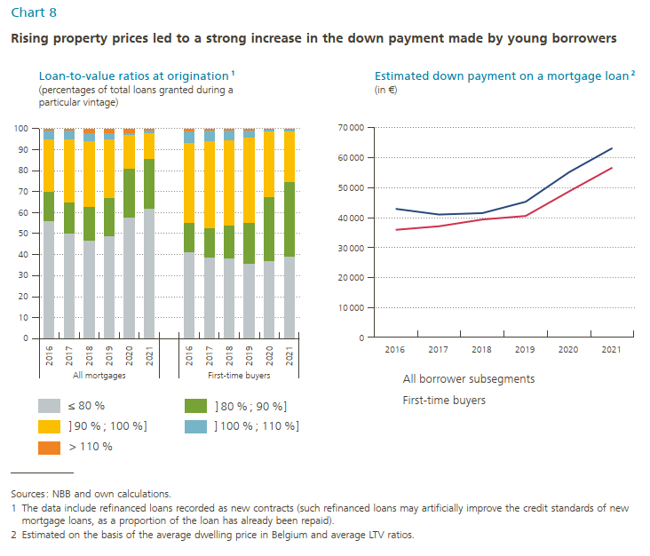
 |  | Chart 8a |  |  |  |  |  |  | Chart 8b

X-as |  | Variabele1 | Variabele2 | Variabele3 | Variabele4 | Variabele5 |  | X-as | Variabele6 | Variabele7
 |  | ≤ 80% | ]80%;90%] | ]90%;100%] | ]100%;110%] | > 110% |  |  | All borrower subsegments | First-time buyers
All mortgages |  |  |  |  |  |  |  | 2016 | 42,913 | 35,872
 | 2016 | 55.571927% | 14.169078% | 24.650561% | 3.781968% | 1.826466% | 100% | 2017 | 41,001 | 37,140
 | 2017 | 49.558588% | 15.094911% | 29.747841% | 3.721431% | 1.877228% | 100% | 2018 | 41,463 | 39,374
 | 2018 | 47.441495% | 15.924011% | 30.555513% | 4.014295% | 2.064686% | 100% | 2019 | 45,254 | 40,538
 | 2019 | 48.801351% | 18.142491% | 28.081068% | 2.974503% | 2.000587% | 100% | 2020 | 55,073 | 48,712
 | 2020 | 57.922791% | 23.151062% | 16.379591% | 0.940818% | 1.605739% | 100% | 2021 | 63,177 | 56,701
 | 2021 | 62.055062% | 24.194396% | 12.325362% | 0.584087% | 0.841093% | 100%

First-time buyers
 | 2016 | 41.417178% | 13.681440% | 38.168242% | 5.285994% | 1.447146%
 | 2017 | 38.712307% | 14.323572% | 41.545444% | 4.526373% | 0.892303%
 | 2018 | 38.436195% | 15.763830% | 40.442953% | 4.518079% | 0.838943%
 | 2019 | 35.801098% | 19.456991% | 40.629674% | 3.417750% | 0.694487%
 | 2020 | 37.006800% | 30.697462% | 31.004214% | 0.929267% | 0.362257%
 | 2021 | 39.328191% | 35.604460% | 24.005685% | 0.716670% | 0.344993%

Chart 9
 | Chart 9a |  |  |  | Chart 9b
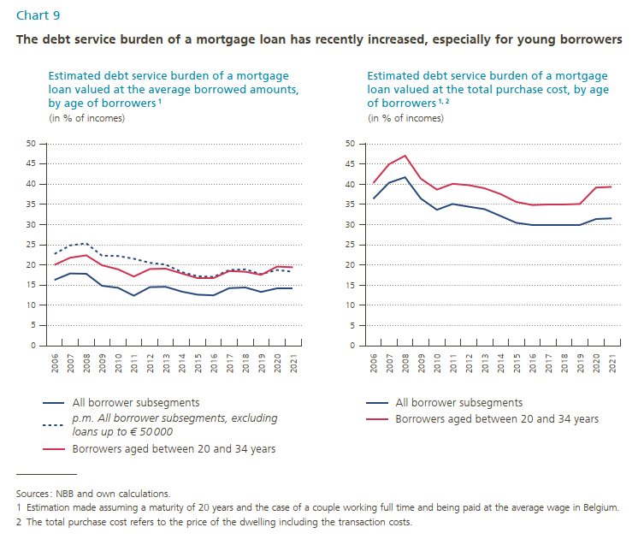
X-as | Variabele1 | Variabele2 | Variabele3 | X-as | Variabele4 | Variabele5
 | All borrower subsegments | p.m. All borrower subsegments, excluding loans up to € 50,000 | Borrowers aged between 20 and 34 years |  | All borrower subsegments | Borrowers aged between 20 and 34 years
2006 | 16.3% | 22.7% | 20.0% | 2006 | 36.3% | 40.2%
2007 | 17.9% | 24.8% | 21.8% | 2007 | 40.3% | 44.9%
2008 | 17.8% | 25.3% | 22.4% | 2008 | 41.7% | 47.0%
2009 | 14.8% | 22.3% | 19.9% | 2009 | 36.4% | 41.3%
2010 | 14.3% | 22.2% | 18.9% | 2010 | 33.6% | 38.6%
2011 | 12.4% | 21.5% | 17.1% | 2011 | 35.1% | 40.1%
2012 | 14.5% | 20.5% | 19.0% | 2012 | 34.4% | 39.7%
2013 | 14.6% | 20.1% | 19.1% | 2013 | 33.8% | 39.0%
2014 | 13.4% | 18.2% | 17.9% | 2014 | 32.1% | 37.5%
2015 | 12.6% | 17.2% | 16.7% | 2015 | 30.4% | 35.6%
2016 | 12.5% | 17.0% | 16.7% | 2016 | 29.8% | 34.8%
2017 | 14.2% | 18.7% | 18.5% | 2017 | 29.8% | 34.9%
2018 | 14.4% | 18.9% | 18.3% | 2018 | 29.9% | 34.9%
2019 | 13.3% | 17.7% | 17.5% | 2019 | 29.9% | 35.1%
2020 | 14.2% | 18.7% | 19.6% | 2020 | 31.3% | 39.1%
2021 | 14.2% | 18.3% | 19.4% | 2021 | 31.5% | 39.3%

Chart 10
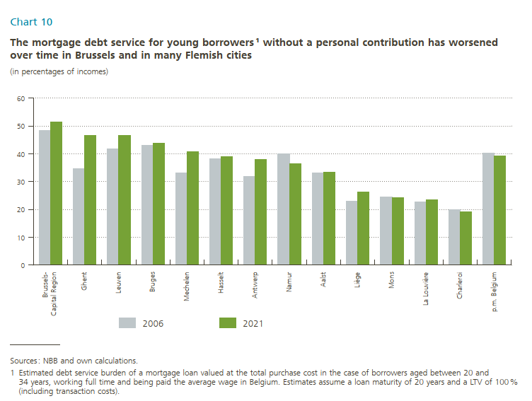
 | Chart 10

X-as | Variabele1 | Variabele2
 | 2006 | 2021
Brussels-Capital Region | 48.3% | 51.5%
Ghent | 34.6% | 46.6%
Leuven | 41.6% | 46.5%
Bruges | 43.1% | 43.9%
Mechelen | 33.1% | 40.6%
Hasselt | 38.3% | 38.9%
Antwerp | 31.8% | 37.9%
Namur | 40.0% | 36.3%
Aalst | 33.2% | 33.4%
Liège | 22.8% | 26.2%
Mons | 24.6% | 24.2%
La Louvière | 22.6% | 23.3%
Charleroi | 19.9% | 19.1%
p.m. Belgium | 40.2% | 39.3%

Chart 11
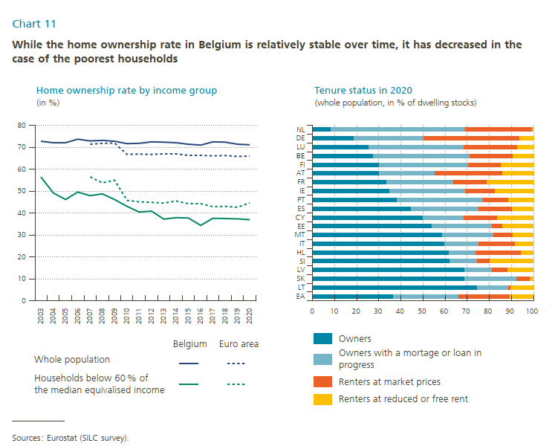
 | Chart 11a |  |  |  | Chart 11b

X-as | Variabele1 | Variabele2 | Variabele3 | Variabele4 | X-as | Variabele4 | Variabele5 | Variabele6 | Variabele7
 | Belgium - whole population | Euro area - whole population | Belgium - Below 60% of median equivalised income | Euro area - Below 60% of median equivalised income |  | Owners | Owners with a mortage or loan in progress | Renters at market prices | Renters at reduced or free rent
2003 | 72.7 | #N/A | 56.4 | #N/A | EA | 36.675000 | 29.375000 | 23.475000 | 10.475000
2004 | 72.2 | #N/A | 49.1 | #N/A | LT | 74.500000 | 14.000000 | 1.200000 | 10.300000
2005 | 72.2 | #N/A | 46.1 | #N/A | SK | 69.000000 | 23.300000 | 6.100000 | 1.600000
2006 | 73.7 | #N/A | 49.6 | #N/A | LV | 68.825000 | 12.425000 | 7.225000 | 11.525000
2007 | 72.9 | 71.4 | 47.9 | 56.5 | SI | 62.175000 | 12.475000 | 5.575000 | 19.775000
2008 | 73.1 | 71.7 | 48.7 | 53.8 | HL | 62.000000 | 11.900000 | 20.500000 | 5.600000
2009 | 72.7 | 71.9 | 46.1 | 54.9 | IT | 59.900000 | 15.200000 | 16.700000 | 8.200000
2010 | 71.6 | 66.8 | 43.0 | 45.8 | MT | 58.800000 | 23.100000 | 8.900000 | 9.200000
2011 | 71.8 | 66.9 | 40.5 | 45.6 | EE | 54.075000 | 27.275000 | 4.675000 | 13.975000
2012 | 72.4 | 67.2 | 40.9 | 45.3 | CY | 50.000000 | 18.600000 | 15.000000 | 16.400000
2013 | 72.3 | 66.9 | 37.2 | 44.5 | ES | 44.775000 | 30.275000 | 15.375000 | 9.575000
2014 | 72.0 | 66.9 | 37.9 | 45.5 | PT | 38.400000 | 38.900000 | 11.500000 | 11.200000
2015 | 71.4 | 66.4 | 37.7 | 44.1 | IE | 34.800000 | 34.500000 | 13.500000 | 17.200000
2016 | 70.9 | 66.3 | 34.4 | 44.1 | FR | 33.500000 | 30.500000 | 15.000000 | 21.000000
2017 | 72.4 | 66.1 | 37.6 | 42.9 | AT | 30.100000 | 25.300000 | 30.600000 | 14.000000
2018 | 72.3 | 66.2 | 37.5 | 43.0 | FI | 30.100000 | 40.600000 | 14.500000 | 14.800000
2019 | 71.3 | 65.8 | 37.4 | 42.7 | BE | 27.600000 | 43.500000 | 19.500000 | 9.400000
2020 | 71.1 | 66.0 | 36.9 | 44.7 | LU | 25.725000 | 42.625000 | 24.525000 | 7.125000
 |  |  |  |  | DE | 18.975000 | 31.475000 | 43.175000 | 6.375000
 |  |  |  |  | NL | 8.400000 | 60.700000 | 30.100000 | 0.800000

